WACC
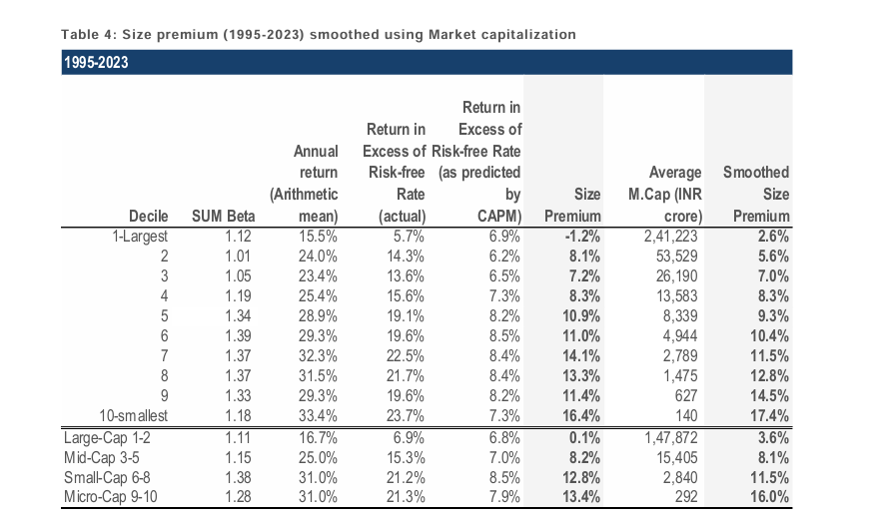
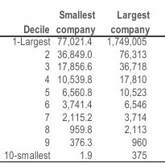
Marico Ltd
Weighted Average Cost of Capital

Particulars | Low | Mid | High |  | Risk Free Rate

Risk Free Rate | 4.35% | 4.35% | 4.35% |  | We have considered 4.35% as the risk free rate in estimation of cost of equity of 7.19%. The risk free rate of India is calculated by considering local currency 10 years government bond yield adjusted for default spread of India.
Equity Risk Premium | 5.89% | 5.89% | 5.89%
Asset Beta | 0.40 | 0.45 | 0.50
D/E Ratio | 9.53% | 9.53% | 9.53%
Equity Beta | 0.43 | 0.48 | 0.54
CAMP Cost of Equity | 6.87% | 7.19% | 7.50% |  | Asset Beta
 |  |  |  |  | We have estimated an asset beta range of 0.40 to 0.50, with a mid point of 0.45 based on observed median of 5 year monthly asset beta of benchmark listed companies adjusted for blume effect.
Small Size Premium | 2.60% | 2.60% | 2.60%
Asset Specific Premium | 0.00% | 0.00% | 0.00%
Modified Cost of Equity | 9.47% | 9.79% | 10.10%
 |  |  |  |  | Equity Risk Premium (ERP)
Pre Tax Cost of Debt | 6.96% | 6.96% | 6.96% |  | An ERP of 5.89% has been adopted based on US implied equity risk premium, relative equity volatiliy of ICE BofA Public Sector Issues Emerging Mkts Index, S&P Emerging BMI Index and country risk premium of India.
Marginal Tax Rate | 25% | 25% | 25%
Post Tax Cost of Debt | 5.21% | 5.21% | 5.21%

Capital Gearing (D/D+E) | 8.16% | 8.16% | 8.16% |  | Cost of Debt
Weighted Average Cost of Capital | 9.13% | 9.42% | 9.71% |  | For the purpose of assessing the cost of debt, we have used country's risk free rate, country's default spread and corporate default spread based on company's debt rating and interest coverage ratio
Weighted Average Cost of Capital (Rounded) | 10.00% | 10.00% | 10.00%

1. Tax rate is considered as Marginal Tax Rate of India
2. Asset Beta is considered as median of 5 years beta of comps adjusted for blume afeect
3. Equity Beta = Asset Beta * (1+(1-Tax Rate%)*(Debt/Equity) |  |  |  |  | Small Size Premium & Asset Specific Premium
 |  |  |  |  | Emperically small size assets have exceeded the returns as compared to large sized asset. We have used the study on size premium conducted by Incwert which is based on difference between actual return and CAPM expected returns arranged in decile basis market capitalization of Indian companies.

Marico Ltd
Beta Analysis - 2 Years Weekly

Comparable Company | Ticker | No.of Weekly Observations | Market Cap (Cr) | Asset Beta | 2 Years avg D/E | Equity Beta | 2 Years avg D/D+E | Considered ?

Dabur India | NSE: DABUR | 104 | 91,904 | 0.61 | 9.25% | 0.66 | 8.42% | Yes
Hindustan Unilever | NSE: HINDUNILVR | 104 | 569,870 | 0.39 | 0.01% | 0.39 | 0.01% | Yes
Sundrop Brands Ltd | NSE: SUNDROP | 104 | 2,857 | 0.45 | 3.35% | 0.46 | 3.14% | No
Gokul Agro Resources Ltd | NSE: GOKULAGRO | 104 | 6,071 | 0.87 | 62.82% | 1.28 | 38.26% | No
Godrej Consumer Products Ltd | NSE: GODREJCP | 104 | 118,072 | 0.44 | 28.69% | 0.53 | 22.23% | Yes
Britannia Industries Ltd | NSE: BRITANNIA | 104 | 141,739 | 0.36 | 39.95% | 0.47 | 28.03% | No
Emami Ltd | NSE: EMAMILTD | 104 | 22,475 | 0.67 | 2.49% | 0.68 | 2.43% | Yes
Bajaj Consumer Care Ltd | NSE: BAJAJCON | 104 | 3,665 | 0.83 | 0.00% | 0.83 | 0.00% | Yes

Median - Broad Set |  |  |  | 0.53 | 6.30% | 0.59 | 5.78%
Average - Broad Set |  |  |  | 0.58 | 18.32% | 0.66 | 12.82%

Median - Considered Set |  |  |  | 0.61 | 2.49% | 0.66 | 2.43%
Average - Considered Set |  |  |  | 0.59 | 8.09% | 0.62 | 6.62%

Beta Analysis - 5 Years Monthly

Comparable Company | Ticker | No.of Weekly Observations | Market Cap (Cr) | Asset Beta | 5 Years avg D/E | Equity Beta | 5 Years avg D/D+E | Considered ?

Dabur India | NSE: DABUR | 60 | 91,904 | 0.23 | 8.91% | 0.25 | 8.12% | Yes
Hindustan Unilever | NSE: HINDUNILVR | 60 | 569,870 | 0.32 | 0.04% | 0.32 | 0.04% | Yes
Sundrop Brands Ltd | NSE: SUNDROP | 60 | 2,857 | 0.39 | 5.15% | 0.41 | 4.73% | No
Gokul Agro Resources Ltd | NSE: GOKULAGRO | 60 | 6,071 | 0.14 | 62.50% | 0.20 | 38.25% | No
Godrej Consumer Products Ltd | NSE: GODREJCP | 60 | 118,072 | 0.20 | 19.51% | 0.23 | 15.89% | Yes
Britannia Industries Ltd | NSE: BRITANNIA | 60 | 141,739 | 0.36 | 63.99% | 0.53 | 37.63% | No
Emami Ltd | NSE: EMAMILTD | 60 | 22,475 | 0.05 | 5.22% | 0.05 | 4.84% | Yes
Bajaj Consumer Care Ltd | NSE: BAJAJCON | 60 | 3,665 | 0.34 | 0.13% | 0.34 | 0.13% | Yes

Median - Broad Set |  |  |  | 0.28 | 7.07% | 0.29 | 6.48%
Average - Broad Set |  |  |  | 0.25 | 20.68% | 0.29 | 13.70%

Median - Considered Set |  |  |  | 0.23 | 5.22% | 0.25 | 4.84%
Average - Considered Set |  |  |  | 0.23 | 6.76% | 0.24 | 5.80%

Blume Beta Analysis - 5 Years Monthly

Comparable Company | Ticker | No.of Weekly Observations | Market Cap (Cr) | Asset Beta | 5 Years avg D/E | Equity Beta | 5 Years avg D/D+E | Considered ?

Dabur India | NSE: DABUR | 60 | 91,904 | 0.46 | 8.91% | 0.49 | 0.00% | Yes
Hindustan Unilever | NSE: HINDUNILVR | 60 | 569,870 | 0.53 | 0.04% | 0.53 | 0.00% | Yes
Sundrop Brands Ltd | NSE: SUNDROP | 60 | 2,857 | 0.57 | 5.15% | 0.59 | 0.00% | No
Gokul Agro Resources Ltd | NSE: GOKULAGRO | 60 | 6,071 | 0.31 | 62.50% | 0.46 | 0.00% | No
Godrej Consumer Products Ltd | NSE: GODREJCP | 60 | 118,072 | 0.41 | 19.51% | 0.48 | 0.00% | Yes
Britannia Industries Ltd | NSE: BRITANNIA | 60 | 141,739 | 0.45 | 63.99% | 0.67 | 0.00% | No
Emami Ltd | NSE: EMAMILTD | 60 | 22,475 | 0.35 | 5.22% | 0.36 | 0.00% | Yes
Bajaj Consumer Care Ltd | NSE: BAJAJCON | 60 | 3,665 | 0.54 | 0.13% | 0.55 | 0.00% | Yes

Median - Broad Set |  |  |  | 0.45 | 7.07% | 0.51 | 0.00%
Average - Broad Set |  |  |  | 0.45 | 20.68% | 0.51 | 0.00%

Median - Considered Set |  |  |  | 0.46 | 5.22% | 0.49 | 0.00%
Average - Considered Set |  |  |  | 0.46 | 6.76% | 0.48 | 0.00%

We are taking 0.45 as asset beta of FMCG Company

Assumptions Working
# | Revenue Growth
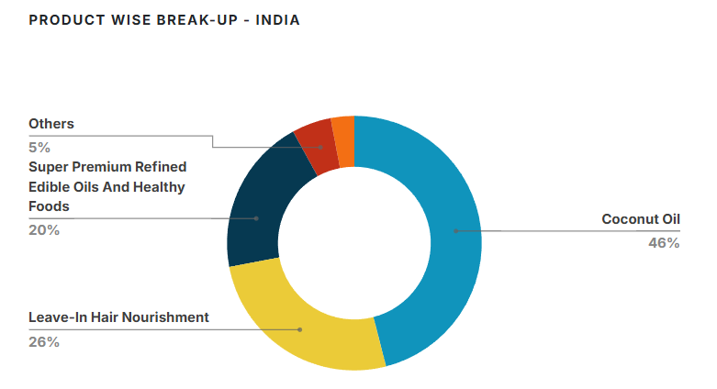
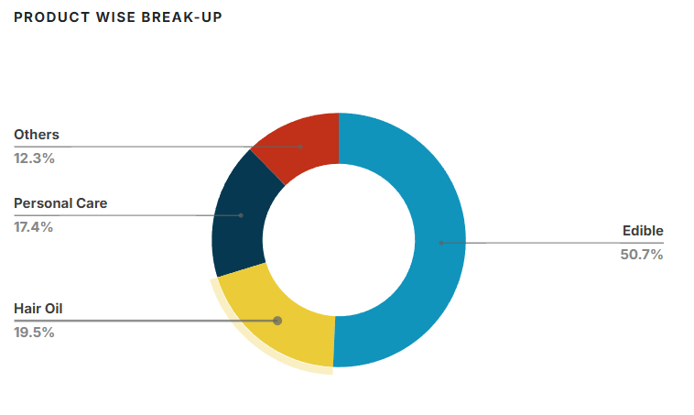
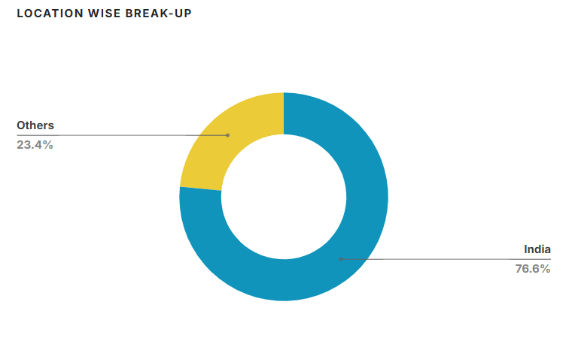
 | Company Historical Growth
 |  |  |  |  |  |  |  |  |  | CAGR
 | Particulars | 2019-03-01 | 2020-03-01 | 2021-03-01 | 2022-03-01 | 2023-03-01 | 2024-03-31 | 2025-03-01 |  | 3 Years | 5 Years
 | Revenue from operations (Net) | 7,334 | 7,315 | 8,048 | 9,512 | 9,764 | 9,653 | 10,831 |  | 4.4% | 8.2%
 | Sales Growth | 16.0% | -0.3% | 10.0% | 18.2% | 2.6% | -1.1% | 12.2%

 | FMCG (India) Growth

 | Indian Brand Equity Foundation | https://ibef.org/industry/fmcg-presentation
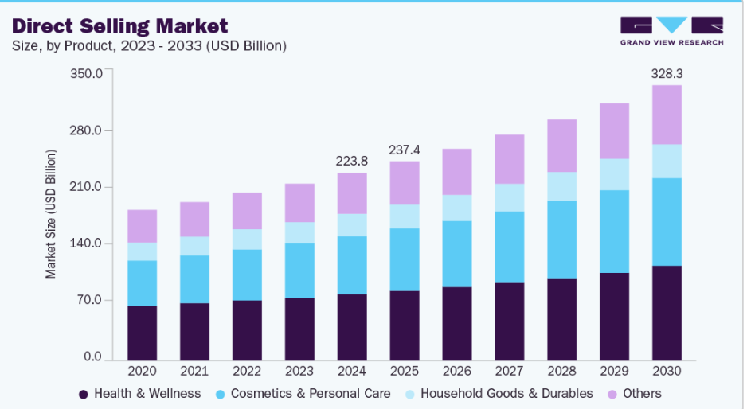
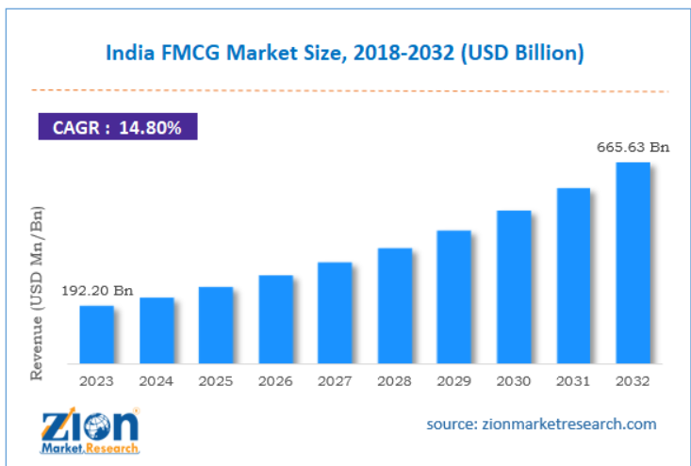
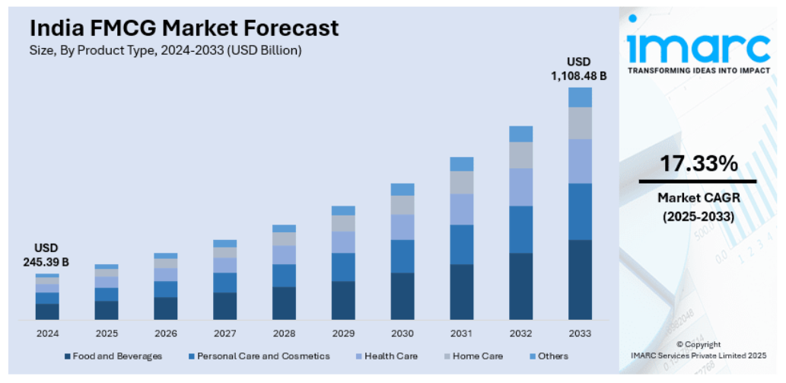
 | Household FMCG ( April 2025) | 17,792 crore (US$ 2.07 billion)
 | Rural FMCG Consumption | 35% of total FMCG sales | 11% CAGR (premium segment)
 | Indian Beauty and Personal Care (BPC) market | $34 Bn by 2028 | 10-11% Annual CAGR
 | Overall FMCG Sector (India) | US$ 615 billion (2027) | 38.5% wil Grow till 2027
 | Direct Selling Industry | US$ 2.58 billion (FY24) | 7.15% next (5-year CAGR)

 | Crisil | https://inciflo.com/blogs/fmcg-industry-growth-in-india/
 | Indian FMCG industry | $1trillion by 2033–34 | 14–21%
 | Rural markets | 40% of FMCG sales by 2030
 | Urban Markets | 60% of FMCG sales by 2030
 | E-commerce | 15–18% FMCG sales by 2030,

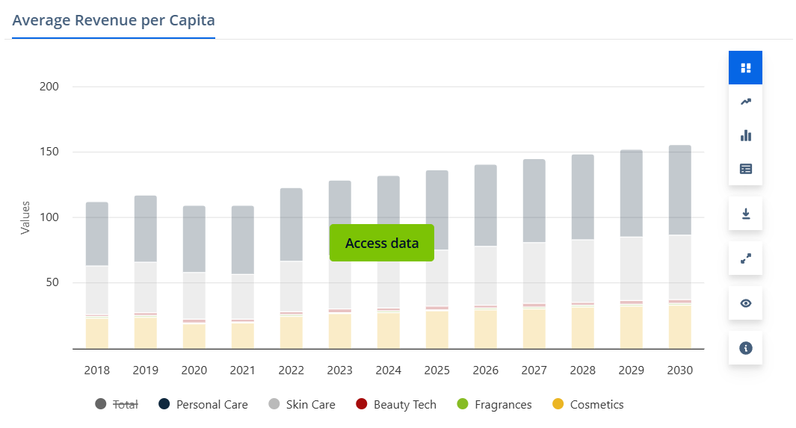
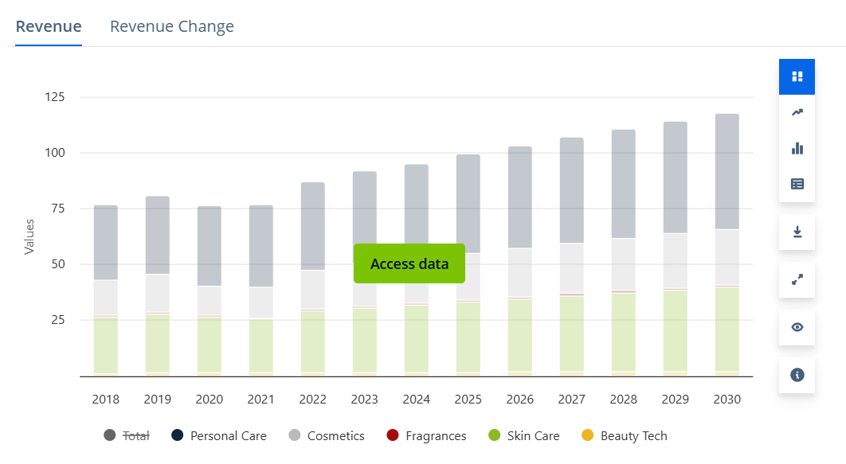
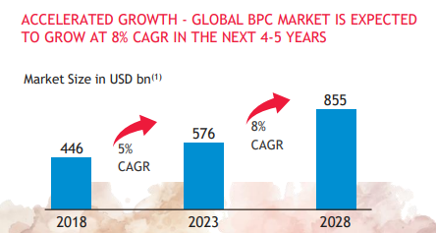
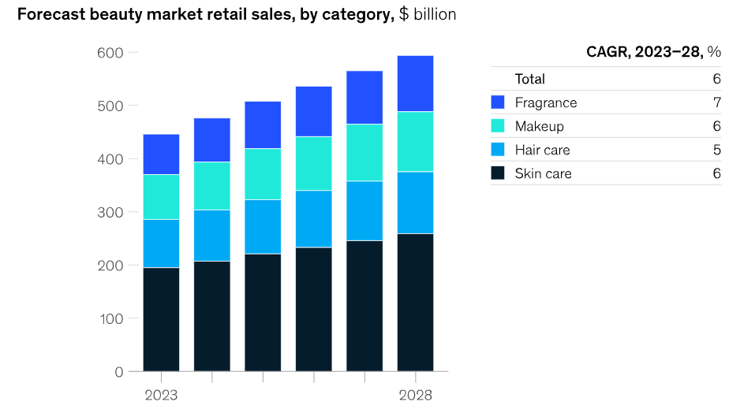
 | Imarc | https://www.imarcgroup.com/india-fmcg-market
 | 2024 Market Size | USD 245.39 Billion
 | 2033 Projected Market Size | USD 1,108.48 Billion
 | CAGR (2025-2033) | 17.33%

 | ZION Market Reserch | https://www.zionmarketresearch.com/report/india-fmcg-market
 | India FMCG market size | USD 665.63 billion by 2032 | (CAGR) 14.80%

 | Beauty & Personal Care (India) Growth

 | Statista | https://www.statista.com/outlook/cmo/beauty-personal-care/india?srsltid=AfmBOorzt_p4jrJ6rhQpLXjwTHkLH4EGkU_rRtahTG4PhNxLzw7bm_L-
 | Revenue | US$33.08bn in 2025. | 3.48% (CAGR 2025-2030)
 | market volume | US$14.80bn in 2025.
 | United States | (US$105bn in 2025)
 | 9.4% of total revenue | online sales by 2025.

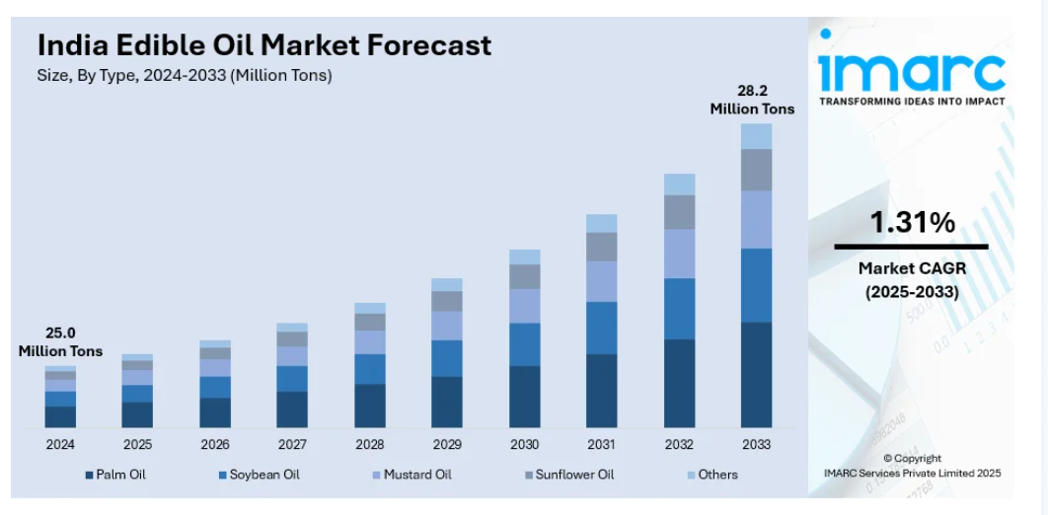
 | Indian Brand Equity Foundation | https://www.ibef.org/news/india-you-e-beauty-the-blush-and-glow-of-the-new-billion-dollar-boom
 |  |  |  |  |  |  |  |  |  |  |  |  | BEAUTY AND PERSONAL CARE (BPC)
 | India’s beauty and personal care market | Rs. 2,95,358 crore (US$ 34 billion) by 2028, | 10-11% Cagr Growth

 | India Edible Oils (India) Growth

 | Imarc | https://www.imarcgroup.com/india-edible-oil-market

 | 2024 Market Size | 25.0 Million Tons
 | 2033 Projected Market Size | 28.2 Million Tons
 | CAGR (2025-2033) | 1.31%

 | Industry Reports | https://www.marketsandata.com/industry-reports/india-edible-oils-market

 | FY2024 | USD 19.86 billion
 | FY2032. | USD 26.19 billion
 |  | CAGR of 3.52%

 | Growth Factor

 | We are confident of maintaining a double-digit growth momentum in the franchise throughout the year on the back of sharper brand activations supported by a strategic pivot from trade-led investments towards brand-building and therefore increasing SOV, especially in the mid and premium segments, along with enhanced direct reach through Project SETU, which invariably benefits VAHO.

 | Project SETU aims to expand Marico’s direct reach from approximately 1 million outlets to 1.5 million by FY27. Project SETU was kicked off in 11 states during the year
 | The company plans to grow its Foods business by over 25% per year, so that by FY27, the revenue will be about 8 times higher than in FY20, and roughly double the level achieved in FY24.
 | The company’s digital-first brands performed better than expected in FY25, reaching ₹750 crore annualized revenue. Seeing this momentum, they’ve raised their FY27 target — instead of growing to 2x of FY24 levels, they now plan to reach 2.5x of FY24 revenue by FY27..

 | Just Herbs and True Elements, though not yet at breakeven, will focus on sustainable 20% to 25% growth breakeven at the earliest over the next 18 to 24 months
 | Which is Just Herbs and True Elements, we will now grow maybe 20% to 25% on a sustainable basis, but accelerate the journey to breakeven period so that in 18 to 24 months, we see some site of a breakeven
 | Just Herbs and True Elements, though not yet at breakeven, will focus on sustainable 20-25% growth and leveraging scale and synergy to achieve breakeven at the earliest over the next 18 to 24 months
 | 1. Saffola Soya Chunks track to becoming a 100+ crore brand in the medium term. 3-5 years
 | 1. Plix holds the potential to scale to 1,000 Cr. in revenues in the medium term
 | 1. Beardo brand has the potential to reach L500 cr. mark in the medium term.
 | 1. Just Herbs - brand crossed 100 crores in sales
 | 1. Our Distribution network now reaches nearly 5.8 million outlets, spanning over 60,000 villages and nearly all towns with a population above 5,000.
 | South Africa was static this quarter, but we aim to achieving our full-year growth aspirations
 | We are expecting to have this accelerated growth in the Middle East because
 | we are fairly confident about delivering 25%-plus growth in the Foods business

In FY2025, the company reported revenue of INR 10,831 crore, reflecting a CAGR of 4.4% and 8.25% over the past 3 and 5 years, respectively.The management remains highly confident about the continued growth of its India business, supported by strong performance in the branded coconut oil, edible oil, and personal care segments. This optimism is driven by rising household incomes, higher consumer spending, expanding international presence, and an increasing shift toward branded and premium products.
The Company has given Guidance of 14%. Analysts estimate revenue for the FY2026 at approximately INR 12,200 crore, indicating a 13% growth over the previous year’s revenue.The company is currently facing high raw material costs, especially for copra and palm oil; however, it has strategically increased product prices, optimized its portfolio mix, and diversified raw material sourcing to reduce the impact.
Furthermore, Marico has launched Project SETU to revamp its General Trade and Rural Distribution Network, with the objective of improving market reach, partner profitability, and overall operational efficiency. Project SETU aims to expand Marico’s direct reach from approximately 1 million outlets to 1.5 million outlets by FY27. The initiative was rolled out across 11 states during the current calendar year, marking a key step toward enhancing distribution efficiency and supporting long-term volume-led growth.

# | Gross Margin Growth

 | Company Historical Growth
 |  |  |  |  |  |  |  |  |  | CAGR
 | Particulars | 2019-03-01 | 2020-03-01 | 2021-03-01 | 2022-03-01 | 2023-03-01 | 2024-03-31 | 2025-03-01 |  | Median | Average
 | Gross Margin | 45.2% | 48.8% | 46.9% | 42.9% | 45.2% | 50.8% | 50.3% |  | 46.9% | 47.2%
 | Gross Margin Growth | 0% | 8% | -4% | -9% | 5% | 12% | -1.10% |  | 2%

 | Damodaran Website> Data> Current Data> Find margin > Cash Flow estimation


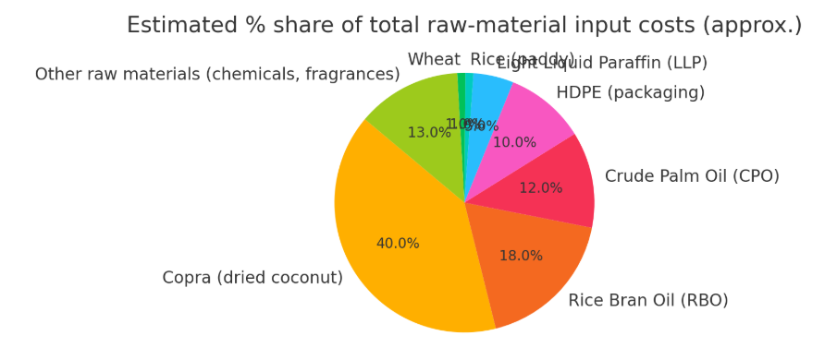
 | Sector Data - Damodaran

 | Just India
 | Household Products | 52.00%
 |  |  | Total Raw Material Suppliers - 682
 | All Emarging Markets
 | Household Products | 48.00%

 | Gobal Market
 | Household Products | 51.81%

 | The price outlook is highly dependent on the specific commodity, particularly copra, which has recently experienced hyperinflation. Copra prices surged 18% QoQ and ~107% YoY, surpassing company expectations.

 | In the period leading up to Q1 FY26, copra experienced hyperinflationary conditions due to a supply-demand gap caused by low crop yields and unseasonal weather. The company has taken multiple rounds of price increases in response, leading to an effective consumer price increase of over 60% point-to-point in some packs

During FY2025, gross margins declined by 50 bps to 50.3%, primarily due to a sharp increase in the cost of copra, which constitutes a major portion of Marico’s raw material basket. Despite elevated inflation and higher input prices, the overall impact on margins remained limited, aided by timely price hikes, a favorable product mix, and cost-optimization initiatives undertaken across manufacturing and packaging, as explained by the management.
Raw materials account for over ~ 85% of the company’s total cost of goods sold and nearly ~ 45% of its revenue. Within this, copra contributes around ~40%, rice bran oil about ~18%, and edible oils ~25%, all of which faced significant inflationary pressure during FY2025.
The price of copra, one of the main raw materials, depends heavily on weather conditions. In FY2025, it saw a sharp rise because of a supply–demand gap caused by low crop yield and unseasonal rains in key producing regions. This led to hyperinflation in copra prices, putting pressure on input costs. Edible and vegetable oils also remained volatile due to changes in import duties and global market fluctuations. The copra price cycle is expected to stabilize gradually as weather and supply conditions improve.
To deal with inflation, the company made planned price increases across all products and improved scale efficiency to get better deals from suppliers. It also worked on cost control and production efficiency. These steps, along with a higher share of premium products, helped keep the gross margin stable even when raw material costs were high.
In the past, the company has kept its gross margin between 45–53%, which is higher than the industry average of 47%. Based on research, the Indian FMCG sector has an average margin of 52%, while emerging markets average around 48%, and global peers are near 51.8%. This shows the company’s strong cost control and good pricing strategy even when input prices change.
As raw material prices start to soften and price hikes remain in place, margins are likely to recover to around 50% in short term which is inline with street estimate of ~51% and converge with the global sector average margin of about 51.8%.

# | SG&A Expenses
 |  |  |  |  |  |  |  |  |  | CAGR
 | Particulars | 2019-03-01 | 2020-03-01 | 2021-03-01 | 2022-03-01 | 2023-03-01 | 2024-03-31 | 2025-03-01 |  | 3 Years | 5 Years
 | Revenue from operations (Net) | 7,334 | 7,315 | 8,048 | 9,512 | 9,764 | 9,653 | 10,831 |  | 4.4% | 8.2%
 | Sales YoY% | 16% | 0% | 10% | 18% | 3% | -1% | 12%

 | SG&A Expenses | 1992 | 2130 | 2176 | 2395 | 2603 | 2879 | 3304 |  | 11.3% | 9.2%
 | SG&A YoY% |  | 7% | 2% | 10% | 9% | 11% | 15%

 | SG&A % Sales | 27% | 29% | 27% | 25% | 27% | 30% | 31% |  | 27% | 28%

 | Continued high A&P intensity (~9–10% of sales) as Marico accelerates new category building (Foods, Digital-first brands).
 | YoY A&P +25%; focus on VAHO, Foods, and Premium Personal Care (PPC); cost optimization done in non-media spends (film shoots, celebrity costs, data purchases)
 | So, in short, they are doing massively SG&A expenses for Project Setu and for the premium products of their VAHO, Foods and Premium Personal Care.
 | The estimated investment for Project SETU is ₹80-100 crores over a 3-year period
 | The management consistently positions A&P spending as a strategic investment essential for long-term growth and brand equity, explicitly prioritizing it over managing short-term margins
 | Impact on Results: Management noted that if A&P had only grown in line with the top line in FY25, the consolidated EBITDA margin would have been 20.3%, indicating they over-invested in A&P relative to revenue growth to set up future expansion

 | Shift from BTL to ATL: In the Value-Added Hair Oils (VAHO) segment, particularly the Bottom of Pyramid (BOP), management has taken a conscious decision to defocus on BTL (Below The Line) trade inputs, labeling competitive BTL fighting as a "suicidal strategy". They believe that this approach negatively impacts category growth and equit

 | Consensus estimates across brokerages:
 | FY25 EBITDA margin: ~19.7%
 | FY26E: ~19–20%
 | FY27E: ~20.5–21%

 | Historical SG&A Expenses

 | Particulars | 2019 | 2020 | 2021 | 2022 | 2023 | 2024 | 2025

 | Revenue | 7,334 | 7,315 | 8,048 | 9,512 | 9,764 | 9,653 | 10,831
 | Employee Benefit Cost | 466 | 478 | 570 | 586 | 653 | 743 | 831
 | Advertisement and sales promotion | 659 | 727 | 698 | 796 | 842 | 952 | 1128
 | Freight forwarding and distribution expenses | 287 | 294 | 305 | 354 | 387 | 416 | 449
 | Processing and other manufacturing charges | 250 | 255 | 240 | 251 | 238 | 243 | 274
 | Rent and storage charges | 11 | 16 | 20 | 20 | 20 | 33 | 43
 | Legal & professional charges | 48 | 54 | 61 | 73 | 101 | 76 | 88
 | Outside services | 44 | 49 | 50 | 50 | 50 | 54 | 56
 | Repairs and maintenance | 39 | 43 | 47 | 51 | 59 | 81 | 95
 | Power fuel and water | 37 | 36 | 27 | 32 | 35 | 37 | 38
 | Travelling conveyance and vehicle expenses | 45 | 45 | 25 | 34 | 55 | 62 | 69
 | Consumption of stores spare and consumables | 23 | 23 | 18 | 18 | 20 | 19 | 26
 | Provision for doubtful debts | 12 | 26 | -8 | 7 | 2 | 8 | 4
 | Miscellaneous expenses | 71 | 84 | 123 | 123 | 141 | 155 | 203
 | Total | 1992 | 2130 | 2176 | 2395 | 2603 | 2879 | 3304

 | SG&A % Revenue | 27.16% | 29.12% | 27.04% | 25.18% | 26.66% | 29.82% | 30.51%

 | Common Size SG&A Expense

 | Particulars | 2019 | 2020 | 2021 | 2022 | 2023 | 2024 | 2025 |  | Median | Average
 | Employee Benefit Cost | 23% | 22% | 26% | 24% | 25% | 26% | 25% |  | 25% | 25%
 | Advertisement and sales promotion | 33% | 34% | 32% | 33% | 32% | 33% | 34% |  | 33% | 33%
 | Freight forwarding and distribution expenses | 14% | 14% | 14% | 15% | 15% | 14% | 14% |  | 14% | 14%
 | Processing and other manufacturing charges | 13% | 12% | 11% | 10% | 9% | 8% | 8% |  | 10% | 10%
 | Rent and storage charges | 1% | 1% | 1% | 1% | 1% | 1% | 1% |  | 1% | 1%
 | Legal & professional charges | 2% | 3% | 3% | 3% | 4% | 3% | 3% |  | 3% | 3%
 | Outside services | 2% | 2% | 2% | 2% | 2% | 2% | 2% |  | 2% | 2%
 | Repairs and maintenance | 2% | 2% | 2% | 2% | 2% | 3% | 3% |  | 2% | 2%
 | Power fuel and water | 2% | 2% | 1% | 1% | 1% | 1% | 1% |  | 1% | 1%
 | Travelling conveyance and vehicle expenses | 2% | 2% | 1% | 1% | 2% | 2% | 2% |  | 2% | 2%
 | Consumption of stores spare and consumables | 1% | 1% | 1% | 1% | 1% | 1% | 1% |  | 1% | 1%
 | Provision for doubtful debts | 1% | 1% | 0% | 0% | 0% | 0% | 0% |  | 0% | 0%
 | Miscellaneous expenses | 4% | 4% | 6% | 5% | 5% | 5% | 6% |  | 5% | 5%
 | Total | 100% | 100% | 100% | 100% | 100% | 100% | 100%

 | SG&A Calculation Note

 | Particulars | 2019 | 2020 | 2021 | 2022 | 2023 | 2024 | 2025 |  | Median | Average

 | Revenue | 7334 | 7315 | 8048 | 9512 | 9764 | 9653 | 10831

 | Employee Benefit Cost | 466 | 478 | 570 | 586 | 653 | 743 | 831
 | Employee Benefit Cost % Revenue | 6.4% | 6.5% | 7.1% | 6.2% | 6.7% | 7.7% | 7.7% |  | 6.69% | 6.88%

 | Advertisement and sales promotion | 659 | 727 | 698 | 796 | 842 | 952 | 1128
 | Advertisement and sales promotion % Revenue | 9.0% | 9.9% | 8.7% | 8.4% | 8.6% | 9.9% | 10.4% |  | 8.99% | 9.27%

 | Freight and distribution expenses | 287 | 294 | 305 | 354 | 387 | 416 | 449
 | Freight and distribution expenses % Revenue | 3.9% | 4.0% | 3.8% | 3.7% | 4.0% | 4.3% | 4.1% |  | 3.96% | 3.98%

 | Other Misc SG&A Expenses | 580 | 631 | 603 | 659 | 721 | 768 | 896
 | Other Misc SG&A Expenses % Revenue | 8% | 9% | 7% | 7% | 7% | 8% | 8% |  | 7.91% | 7.80%

 | Total SG&A Expenses % Revenue | 27.16% | 29.12% | 27.04% | 25.18% | 26.66% | 29.82% | 30.51% |  | 27.16% | 27.93%

During FY2025, the company has reported an EBITDA margin of 19.7%, which is 130 bps lower than FY2024’s EBITDA margin of 21.0%. The fall in margin was mainly due to an increase in raw material costs, especially copra and edible oil. The management has stated that it will keep operating expenses under control and has given an EBITDA margin guidance of around 22%.
Based on our research, we found that SG&A expenses have historically been around 28–30% of revenue, and the three major costs — Employee Benefit Cost, Advertisement and Sales Promotion, and Freight and Distribution Expenses — together account for about 72% of the total SG&A expenses. These key expenses are directly linked to sales and have a significant impact on the company’s profitability.
Going ahead, we expect total SG&A expenses will be 31% of revenue, as the company is spending more to promote its new products such as Value-Added Hair Oils (VAHO), Foods, and Premium Personal Care products. In addition, freight and distribution expenses are also likely to rise due to Project SETU, which aims to expand rural distribution and reach over 1.5 million outlets across India.

# | Current Assets

 | Historical Current Assets
 |  |  |  |  |  |  |  |  |  | CAGR
 | Particulars | 2019 | 2020 | 2021 | 2022 | 2023 | 2024 | 2025 |  | 3 Years | 5 Years
 | Inventories | 1,411 | 1,380 | 1,126 | 1,412 | 1,225 | 1,336 | 1,235 |  | -4.4% | -2.2%
 | Trade receivables | 517 | 539 | 388 | 652 | 1,015 | 1,069 | 1,271 |  | 24.9% | 18.7%
 | Other Cureest Asset | 720 | 984 | 878 | 862 | 824 | 655 | 1,800 |  | 27.8% | 12.8%
 | Cash and Bank Balance | 552 | 279 | 944 | 579 | 756 | 943 | 777 |  | 10.3% | 22.7%
 | Total current assets | 3,200 | 3,182 | 3,336 | 3,505 | 3,820 | 4,003 | 5,083 |  | 13.2% | 9.8%

 | Total Assets | 4909 | 5002 | 5510 | 5786 | 6946 | 7421 | 8338 |  | 13.0% | 10.8%

 | Current Asset % Total Asset | 65% | 64% | 61% | 61% | 55% | 54% | 61% |  | 0.2% | -0.8%

 | Common Size Current Asset

 | Particulars | 2019 | 2020 | 2021 | 2022 | 2023 | 2024 | 2025
 | Inventories | 44% | 43% | 34% | 40% | 32% | 33% | 24%
 | Trade receivables | 16% | 17% | 12% | 19% | 27% | 27% | 25%
 | Other Cureest Asset | 23% | 31% | 26% | 25% | 22% | 16% | 35%
 | Cash and Bank Balance | 17% | 9% | 28% | 17% | 20% | 24% | 15%
 | Total current assets | 100% | 100% | 100% | 100% | 100% | 100% | 100%

 | Inventory

 | Particulars | 2019-03-01 | 2020-03-01 | 2021-03-01 | 2022-03-01 | 2023-03-01 | 2024-03-31 | 2025-03-01 |  | Median | Average
 | Revenue from operations (Net) | 7,334 | 7,315 | 8,048 | 9,512 | 9,764 | 9,653 | 10,831
 | Sales Growth | 16.0% | -0.3% | 10.0% | 18.2% | 2.6% | -1.1% | 12.2% |  | 10.0% | 8.2%

 | Inventory | 1,411 | 1,380 | 1,126 | 1,412 | 1,225 | 1,336 | 1,235
 | Inventory Growth YoY% |  | -2.2% | -18.4% | 25.4% | -13.2% | 9.1% | -7.6% |  | -4.9% | -1.2%

 | Average Inventory | 1,411 | 1,396 | 1,253 | 1,269 | 1,319 | 1,281 | 1,286

 | Average Inventory % Revenue | 19.2% | 19.1% | 15.6% | 13.3% | 13.5% | 13.3% | 11.9% |  | 13.5% | 15.1%

 | COGS | 4017 | 3745 | 4270 | 5436 | 5351 | 4748 | 5388

 | Inventory Turnover Ratio (COGS) | 2.85x | 2.71x | 3.79x | 3.85x | 4.37x | 3.55x | 4.36x |  | 3.79x | 3.64x
 | Inventory Turnover Ratio (Revenue) | 5.20x | 5.24x | 6.42x | 7.50x | 7.41x | 7.54x | 8.43x |  | 7.41x | 6.82x

 | Inventory Days (COGS) | 128 days | 134 days | 96 days | 95 days | 84 days | 103 days | 84 days |  | 96 days | 103 days
 | Inventory Days (Revenue) | 70 days | 70 days | 57 days | 49 days | 49 days | 48 days | 43 days |  | 49 days | 55 days
 | 365

 | Peers Inventory Days Analysis | 2019-03-01 | 2020-03-01 | 2021-03-01 | 2022-03-01 | 2023-03-01 | 2024-03-31 | 2025-03-01
 | Marico | 70 | 70 | 57 | 49 | 49 | 48 | 43
 | Peer 1 (Pantanjali) | 42 | 44 | 63 | 52 | 55 | 51 | 81
 | Peer 2 (Hindustan Unilever) | 59 | 65 | 66 | 65 | 55 | 55 | 59
 | Peer 3 (Dabur) | 154 | 164 | 178 | 169 | 158 | 149 | 175

 | Median | 59 | 65 | 66 | 65 | 55 | 55 | 81
 | Average | 85 | 91 | 102 | 95 | 89 | 85 | 105

 | Street Estimate

 | Particulars | 2026 | 2027 | 2028
 | Anand Rathi | 44.3 | 43.3 | 43
 | Bank of Barodara | 40 | 40 | 40
 | PL Capital | 46 | 43 | -

The company has usually maintained an optimum level of inventory, but during FY2025, the sharp rise in copra and edible oil prices led to a deliberate 7.6% reduction in inventory. Management expects inventory levels to normalize again as Project SETU strengthens the General Trade channel, and once copra prices stabilize, the company plans to maintain only a normal buffer inventory, not a large stockpile.
Historically, inventory has remained around 13.5% of revenue, supported by a turnover ratio of 7.5x and an average cycle of 48 days, compared to peers that operate at about 50 days. With Marico steadily shifting its business mix toward E-commerce, Modern Trade, Quick Commerce, and Digital-First brands, inventory requirements are naturally becoming more efficient because these channels operate with faster stock movement.
Looking ahead, we expect inventory days to gradually return toward historical norms. Based on current assumptions, inventory levels are projected to move from 3 days from 43 to 46 days in year 2026 & 2027, eventually settling near the company’s typical ~42-day cycle as raw material prices ease and distribution efficiency improves.

 | Trade Receviable

 | Particulars | 2019-03-01 | 2020-03-01 | 2021-03-01 | 2022-03-01 | 2023-03-01 | 2024-03-31 | 2025-03-01 |  | Median | Average
 | Revenue from operations (Net) | 7,334 | 7,315 | 8,048 | 9,512 | 9,764 | 9,653 | 10,831
 | Sales Growth | 16.0% | -0.3% | 10.0% | 18.2% | 2.6% | -1.1% | 12.2% |  | 10.0% | 8.2%

 | Trade receivables | 517 | 539 | 388 | 652 | 1,015 | 1,069 | 1,271
 | Inventory Growth YoY% |  | 4.3% | -28.0% | 68.0% | 55.7% | 5.3% | 18.9% |  | 12.1% | 20.7%

 | Average Trade receivables |  | 528 | 464 | 520 | 834 | 1,042 | 1,170 |  | 681 | 760

 | Average Receivable % Revenue | 7.0% | 7.2% | 5.8% | 5.5% | 8.5% | 10.8% | 10.8% |  | 7.2% | 7.9%

 | Receviable Turnover Ratio | 14.19x | 13.85x | 17.36x | 18.29x | 11.71x | 9.26x | 9.26x |  | 13.85x | 13.42x

 | Recevable Days | 26 days | 26 days | 21 days | 20 days | 31 days | 39 days | 39 days |  | 29 days | 30 days
 | 365

 | Peers Trade Receviable Days Analysis | 2019-03-01 | 2020-03-01 | 2021-03-01 | 2022-03-01 | 2023-03-01 | 2024-03-31 | 2025-03-01
 | Marico | 26 | 26 | 21 | 20 | 31 | 39 | 39
 | Peer 1 (Pantanjali) | 8 | 8 | 10 | 12 | 18 | 16 | 17
 | Peer 2 (Hindustan Unilever) | 17 | 11 | 14 | 16 | 19 | 18 | 22
 | Peer 3 (Dabur) | 36 | 34 | 21 | 22 | 27 | 26 | 26

 | Median | 17 | 11 | 14 | 16 | 19 | 18 | 22
 | Average | 20 | 18 | 15 | 17 | 21 | 20 | 22

 | Street Estimate

 | Particulars | 2026 | 2027 | 2028
 | Anand Rathi | 43 | 43 | 43
 | Bank of Barodara | 40 | 40 | 40
 | PL Capital | 40 | 40 | 40

 | Receviable Ageing Analysis

In FY2025, the company’s trade receivables increased primarily due to the General Trade (GT) channel, which is typical of longer credit tenures, leading to a marginal rise in debtor days. However, management expects debtor days to remain stable at current levels, supported by disciplined collection practices. Nearly 40% of receivables were outstanding for less than six months, and the company is not exposed to any significant counterparty-specific credit risk. Its credit policy mandates dealing only with financially sound counterparties, backed by security deposits at the time of onboarding. All receivables are continuously reviewed for default risk, and credit concentration remains low due to a large and diversified customer base.
Historically, the company has maintained receivables at around 8% of revenue, supported by a median receivable turnover of 14x and receivable days around 30. While peers operate with tighter credit cycles of roughly 25 days, the Street expects the company’s receivable profile to remain broadly flat, with consensus at 42 days.
In line with this, we assume receivable days to remain stable at 42 days in our model.

# | Other Current Assets

 | Particulars | 2019-03-01 | 2020-03-01 | 2021-03-01 | 2022-03-01 | 2023-03-01 | 2024-03-31 | 2025-03-01 |  | Median | Average
 | Revenue from operations (Net) | 7,334 | 7,315 | 8,048 | 9,512 | 9,764 | 9,653 | 10,831
 | Sales Growth | 16.0% | -0.3% | 10.0% | 18.2% | 2.6% | -1.1% | 12.2% |  | 10.0% | 8.2%

 | Other Cureest Asset | 720 | 984 | 878 | 862 | 824 | 655 | 1,800
 | Other Asset Growth YoY% |  | 36.7% | -10.8% | -1.8% | -4.4% | -20.5% | 174.8% |  | -3.1% | 29.0%

 | Other Cureest Asset % Revenue |  | 13.45% | 10.91% | 9.06% | 8.44% | 6.79% | 16.62% |  | 10.0% | 10.9%

 | Street Estimate

 | Particulars | 2026 | 2027 | 2028
 | Bank of Barodara | 19% | 17% | 15%
 | Geojit | 15% | 14% | -

In FY2025, the company’s current other assets increased from 6.79% to 16.62% of revenue. Historically, the company has maintained other current assets at around 11% of revenue. While Street estimates suggest that other current assets will remain broadly stable at approximately 17%, we align our assumptions accordingly and model other current assets at 17% of revenue going forward.

# | Fixed Asset

 | Particulars | 2019-03-01 | 2020-03-01 | 2021-03-01 | 2022-03-01 | 2023-03-01 | 2024-03-31 | 2025-03-01 |  | Median | Average
 | Gross Block | 1,716 | 1,922 | 2,185 | 2,428 | 2,993 | 3,561 | 3,510 |  | 2428 | 2616
 | Less:- Accumulated depreciation | 430 | 539 | 590 | 690 | 763 | 852 | 767
 | Net Fixed Asset | 1,286 | 1,383 | 1,595 | 1,738 | 2,230 | 2,709 | 2,743

 | Total Assets | 4,909 | 5,002 | 5,510 | 5,786 | 6,946 | 7,421 | 8,338

 | Net Fixed Asset % Total Asset | 26.20% | 27.65% | 28.95% | 30.04% | 32.10% | 36.50% | 32.90% |  | 30% | 31%

 | Total Revenue | 7,334 | 7,315 | 8,048 | 9,512 | 9,764 | 9,653 | 10,831
 | Net Fixed Asset % Revenue | 17.53% | 18.91% | 19.82% | 18.27% | 22.84% | 28.06% | 25.33% |  | 20% | 22%

 | Growth in Gross Block YoY % |  | 12.00% | 13.68% | 11.12% | 23.27% | 18.98% | -1.43% |  | 13% | 13%

 | Change in Gross Block |  | 206 | 263 | 243 | 565 | 568 | (51)
 | Change in Revenue |  | (19) | 733 | 1,464 | 252 | (111) | 1,178

 | Change in Revenue / Change in Gross Block |  | 0x | 3x | 6x | 0x | 0x | -23x |  | 0.2x | -2.4x
 | Asset Turnover Ratio | 149.40% | 146.24% | 146.06% | 164.40% | 140.57% | 130.08% | 129.90% |  | 146% | 144%

 | Breakup of Fixed Asset (Balance Sheet fig) | 2019-03-01 | 2020-03-01 | 2021-03-01 | 2022-03-01 | 2023-03-01 | 2024-03-31 | 2025-03-01
 | Land | 71 | 74 | 73 | 81 | 71 | 91 | 83
 | Building | 560 | 617 | 597 | 620 | 645 | 706 | 679
 | Plant Machinery | 470 | 583 | 590 | 671 | 748 | 837 | 811
 | Equipments | 18 | 20 | 23 | 26 | 29 | 33 | 32
 | Furniture n fittings | 21 | 28 | 32 | 36 | 39 | 46 | 47
 | Vehicles | 4 | 5 | 6 | 6 | 6 | 6 | 6
 | Intangible Assets | 554 | 573 | 830 | 945 | 1,409 | 1,773 | 1,767

 | Other fixed assets | 36 | 40 | 53 | 138 | 68 | 92 | 110
 | Total | 1734 | 1940 | 2204 | 2523 | 3015 | 3584 | 3535
 |  | 18 | 18 | 19 | 95 | 22 | 23 | 25

 | Breakup of Fixed Asset (Balance Sheet fig) | 2019-03-01 | 2020-03-01 | 2021-03-01 | 2022-03-01 | 2023-03-01 | 2024-03-31 | 2025-03-01
 | Land | 4% | 4% | 3% | 3% | 2% | 3% | 2%
 | Building | 32% | 32% | 27% | 25% | 21% | 20% | 19%
 | Plant Machinery | 27% | 30% | 27% | 27% | 25% | 23% | 23%
 | Equipments | 1% | 1% | 1% | 1% | 1% | 1% | 1%
 | Furniture n fittings | 1% | 1% | 1% | 1% | 1% | 1% | 1%
 | Vehicles | 0% | 0% | 0% | 0% | 0% | 0% | 0%
 | Intangible Assets | 32% | 30% | 38% | 37% | 47% | 49% | 50%
 | Other fixed assets | 2% | 2% | 2% | 5% | 2% | 3% | 3%
 | Total | 100% | 100% | 100% | 100% | 100% | 100% | 100%

# | CapEx Calculation

 | Particulars | 2019-03-01 | 2020-03-01 | 2021-03-01 | 2022-03-01 | 2023-03-01 | 2024-03-31 | 2025-03-01
 | Change in Gross Block | 0 | 206 | 263 | 243 | 565 | 568 | (51)
 | Depreciation and amortization expense p&l | 131 | 140 | 139 | 139 | 155 | 158 | 178

 | Maintainance Capex | 131 | 140 | 139 | 139 | 155 | 158 | 178
 | Growth Capex |  | 66 | 124 | 104 | 410 | 410 | 0
 | Total Capex |  | 206 | 263 | 243 | 565 | 568 | 178

 | Particulars | 2019-03-01 | 2020-03-01 | 2021-03-01 | 2022-03-01 | 2023-03-01 | 2024-03-31 | 2025-03-01
 | Capex | 162 | 194 | 142 | 132 | 182 | 153 | 161
 | % Change in Capex |  | 20% | -27% | -7% | 38% | -16% | 5%
 |  | 2.21% | 2.65% | 1.76% | 1.39% | 1.86% | 1.58% | 1.49%

 | Street Estimate

 | Particulars | 2025 | 2026 | 2027
 | Anand Rathi | 161 | 242 | 269 | 66.52892562 | 89.962825279 | 404.33540373
 | PL Capital | 150 | 150 | 150
 | Geojit | 161 | 242 | 269

Historically, the company has incurred capital expenditure of approximately ₹161 crore in FY2025 and ₹153 crore in FY2024. Looking ahead, Marico expects its future CapEx to remain broadly consistent with this historical trend, in the range of ₹150–170 crore annually.
These investments will continue to be directed towards brownfield capacity expansion, operational upgrades, sustainability-driven technologies, and digital capability building. As highlighted by management, future CapEx will remain in line with the company’s growth, indicating that annual capital spending will gradually scale with the business while staying aligned with its historical trend. The CapEx supports the scaling of high-growth segments such as the Foods portfolio and Digital-First brands, while also improving process efficiency and strengthening the company’s manufacturing backbone. Management commentary indicates that Marico will only consider Greenfield CapEx under very specific circumstances—primarily when the Foods business reaches a scale that necessitates dedicated capacity.
During the terminal year, CapEx has been benchmarked with depreciation, reflecting a steady-state 100% maintenance CapEx structure for modern sustainable growth.

 | Particulars | 2026-03-01 | 2027-03-01 | 2028-03-01 | 2029-03-01 | 2030-03-01 | 2031-03-01 | 2032-03-01 | 2033-03-01 | 2034-03-01 | 2035-03-01
 | Capex | 198 | 224 | 253 | 285 | 299 | 335 | 400 | 477 | 487 | 440
 |  | 1.60% | 1.60% | 1.60% | 1.60% | 1.50% | 1.50% | 1.60% | 1.70% | 1.55% | 1.25%

# | Other Non Current Asset

 | Particulars | 2019-03-01 | 2020-03-01 | 2021-03-01 | 2022-03-01 | 2023-03-01 | 2024-03-31 | 2025-03-01
 | Revenue | 7,334 | 7,315 | 8,048 | 9,512 | 9,764 | 9,653 | 10,831
 | Other Non Current Asset | 35 | 26 | 26 | 30 | 46 | 40 | 49

 | Other Non Current Asset % Revenue | 0.5% | 0.4% | 0.3% | 0.3% | 0.5% | 0.4% | 0.5%

# | CWIP

 | Particulars | 2019-03-01 | 2020-03-01 | 2021-03-01 | 2022-03-01 | 2023-03-01 | 2024-03-31 | 2025-03-01 |  | Median | Average
 | Net Fixed Asset | 1,286 | 1,383 | 1,595 | 1,738 | 2,230 | 2,709 | 2,743 |  | 1738 | 1955
 | CWIP | 45 | 58 | 24 | 39 | 67 | 44 | 40
 | CWIP % Fixed Asset | 3% | 4% | 2% | 2% | 3% | 2% | 1% |  | 2% | 3%

 | Management Guidance

 | No Concrete Guidance available

 | Street Estimate | 2024 | 2025 | 2026 | 2027 | 2028
 | Anand Rathi | 59 | 55 | 35 | 30 | 30
 | PL Capital | 44 | 40 | 50 | 50 | 0
 | Emkay Research | 44 | 40 | 50 | 50 | 50
Historically, the company’s CWIP has averaged ~3% of Net Fixed Assets (NFA). CWIP levels are expected to remain largely maintenance-driven, with no major capacity-expansion projects indicated.
In the absence of management guidance, we assume CWIP to moderate to 2% of NFA in FY26 and FY27, before stabilising at 1% of NFA thereafter. This assumption aligns with the company's steady capex cycle and limited new manufacturing footprint in recent years.

# | Deprication

 | Particulars | 2019-03-01 | 2020-03-01 | 2021-03-01 | 2022-03-01 | 2023-03-01 | 2024-03-31 | 2025-03-01 |  | Median | Average
 | Gross Block | 1,716 | 1,922 | 2,185 | 2,428 | 2,993 | 3,561 | 3,510
 | Less: Land (Non Depreciable) | 71 | 74 | 73 | 81 | 71 | 91 | 83
 | Less: Intangible Asset (Non Depreciable - Excl. Goodwill) | 51 | 35 | 217 | 291 | 546 | 910 | 910
 | Gross Block (depreciable) | 1,594 | 1,813 | 1,895 | 2,056 | 2,376 | 2,560 | 2,517
 | Less:- Accumulated depreciation | 430 | 539 | 590 | 690 | 763 | 852 | 767
 | Net Depreciable Fixed Asset | 1,164 | 1,274 | 1,305 | 1,366 | 1,613 | 1,708 | 1,750

 | Depreciation for the Year | 131 | 140 | 139 | 139 | 155 | 158 | 178

 | Average Life of Assets | 12 | 13 | 14 | 15 | 15 | 16 | 14 |  | 14 | 14
 | Average Age of the Assets | 3 | 4 | 4 | 5 | 5 | 5 | 4 |  | 4 | 4
 | % Asset Depreciated | 27% | 30% | 31% | 34% | 32% | 33% | 30%

 | Depreciation % Fixed Asset | 11% | 11% | 11% | 10% | 10% | 9% | 10% |  | 10% | 10%

 | Depreciation % Gross Block | 8% | 7% | 6% | 6% | 5% | 4% | 5% |  | 6% | 6%

 | Depreciation % Revenue | 2% | 2% | 2% | 1% | 2% | 2% | 2% |  | 2% | 2%

# | Current Liabilities

 | Trade Payables

 | Particulars | 2019-03-01 | 2020-03-01 | 2021-03-01 | 2022-03-01 | 2023-03-01 | 2024-03-31 | 2025-03-01 |  | Median | Average
 | Trade Payables | 944 | 978 | 1134 | 1344 | 1452 | 1581 | 1363 |  | 1344 | 1257
 | Growth YoY % |  | 4% | 16% | 19% | 8% | 9% | -14%

 | Average Trade Payables |  | 961 | 1056 | 1239 | 1398 | 1516.5 | 1472

 | COGS | 4017 | 3745 | 4270 | 5436 | 5351 | 4748 | 5388

 | Trade Payables % COGS | 24% | 26% | 25% | 23% | 26% | 32% | 27% |  | 26% | 26%

 | Trade Payables (Days) | 86 days | 94 days | 90 days | 83 days | 95 days | 117 days | 100 days |  | 94 days | 95 days
 | 365

 | Revenue | 7,334 | 7,315 | 8,048 | 9,512 | 9,764 | 9,653 | 10,831

 | Trade Payable % Revenue | 13% | 13% | 14% | 14% | 15% | 16% | 13%
 | Trade Receivable % Revenue | 7.0% | 7.2% | 5.8% | 5.5% | 8.5% | 10.8% | 10.8%

 | Peers Trade Payables Days Analysis | 2019-03-01 | 2020-03-01 | 2021-03-01 | 2022-03-01 | 2023-03-01 | 2024-03-31 | 2025-03-01
 | Marico | 86 | 94 | 90 | 83 | 95 | 117 | 100
 | Peer 1 (Pantanjali) | 75 | 5 | 17 | 16 | 18 | 22 | 34
 | Peer 2 (Hindustan Unilever) | 166 | 176 | 163 | 145 | 123 | 143 | 152
 | Peer 3 (Dabur) | 172 | 176 | 197 | 178 | 171 | 186 | 215

 | Median | 166 | 176 | 163 | 145 | 123 | 143 | 152
 | Average | 138 | 119 | 126 | 113 | 104 | 117 | 134

 | Street Estimate (days) | 2024 | 2025 | 2026 | 2027 | 2028 |  |  |  | Median | Average
 | Anand Rathi | 71.5 | 63.3 | 67 | 64.9 | 64.6 |  |  |  | 65 | 66
 | PL Capital | 122 | 92 | 91 | 90 |  |  |  |  | 92 | 99

 | Median | 97 | 78 | 79 | 78 | 65
 | Average | 97 | 78 | 79 | 78 | 65

 | Management Guidance

 | No Concrete Guidance available

Marico’s trade payables have remained stable over the years, broadly tracking its COGS and revenue growth. Payable days have historically moved in the 86–120 day range, with a median of ~95 days, indicating steady supplier terms. FY2024 saw a temporary increase due to higher raw-material inflation, but FY2025 normalized to 100 days as input prices eased. The trade payable is ~25% of COGS and ~13% of revenue.
• The peer companies in the market maintain payables of 140 days which is higher than 10-year historical payable days of the company. Further, street estimates suggest the payable levels to remain flat from existing receivable days.
• In absence of management guidance and basis our research, we assume the payable days to remain flat at 105 days.

# | Other Current Liabilities

 | We assume other Liablities excluding short term borrowing to remain flat at 2025 levels. The short term borrowings is sepreately Calculated

# | Debt

 | Particulars | 2019-03-01 | 2020-03-01 | 2021-03-01 | 2022-03-01 | 2023-03-01 | 2024-03-31 | 2025-03-01 |  | Median | Average

 | Long Term Debt (LTB) | 14 | 10 | 8 | 0 | 2 | 0 | 0 |  | 2 | 5
 | YoY Growth % |  | -29% | -20% | -100% | 200% | -100% | 0%
 | Short Term Debt (STB) | 335 | 325 | 340 | 345 | 473 | 383 | 379 |  | 345 | 369
 | YoY Growth % |  | -3% | 5% | 1% | 37% | -19% | -1%
 | Total Borrowings (TB) | 349 | 335 | 348 | 345 | 475 | 383 | 379 |  | 349 | 373
 | YoY Growth % |  | -4% | 4% | -1% | 38% | -19% | -1%

 | LTB % TB | 4% | 3% | 2% | 0% | 0% | 0% | 0% |  | 0% | 1%
 | STB % TB | 96% | 97% | 98% | 100% | 100% | 100% | 100% |  | 100% | 99%

 | Revenue | 7,334 | 7,315 | 8,048 | 9,512 | 9,764 | 9,653 | 10,831

 | LTB % Revenue | 0.2% | 0.1% | 0.1% | 0.0% | 0.0% | 0.0% | 0.0% |  | 0% | 0%
 | STB % Revenue | 4.6% | 4.4% | 4.2% | 3.6% | 4.8% | 4.0% | 3.5% |  | 4% | 4%

 | Debt To Equity | 0.12x | 0.11x | 0.11x | 0.10x | 0.13x | 0.10x | 0.10x |  | 0.11x | 0.11x
 | Debt To Capital | 0.10x | 0.10x | 0.10x | 0.09x | 0.11x | 0.08x | 0.08x |  | 0.10x | 0.10x
 | Debt To Asset | 0.07x | 0.07x | 0.06x | 0.06x | 0.07x | 0.05x | 0.05x |  | 0.06x | 0.06x
 | Debt To EBITDA | 0.26x | 0.23x | 0.22x | 0.21x | 0.26x | 0.19x | 0.18x |  | 0.22x | 0.22x

 | Management Guidance

 | Street Estimate (days) | 2024 | 2025 | 2026 | 2027 | 2028
 | Anand Rathi | 337 | 291 | 316 | 344 | 374
 | Bank of Barodra | 383 | 379 | 629 | 629 | 629
 | Emkay Research | 529 | 1363 | 1431 | 1503 | 1578
 | PL Capital | 383 | 379 | 379 | 379
 | Geojit | 383 | 379 | 390 | 402

Marico continues to operate with a low-debt balance sheet, with long-term debt at 0% of total borrowings and short-term debt forming 100%, largely for seasonal working-capital needs. Key leverage ratios remain stable with Debt to Equity at 0.10x, Debt to Capital at 0.08x, Debt to Asset at 0.05x, and Debt to EBITDA at 0.18x in FY25, reflecting the company’s strong liquidity position.
Management has clearly indicated that all recent mergers and acquisitions are funded entirely through internal cash flows and reserves, supported by strong free cash generation and an asset-light model. While Marico may require temporary funds for strategic expansions, the company’s approach is to meet such requirements through internal accruals, keeping leverage minimal. Going forward, debt levels are expected to remain stable and low, with inorganic growth continuing to be financed internally.
Going forward, we assume long-term debt will remain at 0%, and short-term borrowings will stabilize at ~4% of revenue, aligned with the company’s working-capital cycle.

# | Interest

 | Particulars | 2019-03-01 | 2020-03-01 | 2021-03-01 | 2022-03-01 | 2023-03-01 | 2024-03-31 | 2025-03-01
 | Total Borrowings (TB) | 349 | 335 | 348 | 345 | 475 | 383 | 379
 | Interest Cost | (40) | (50) | (34) | (39) | (56) | (73) | (53)
 | Interest Cost % TB | -11% | -15% | -10% | -11% | -12% | -19% | -14%

 | Interest Rate Calculation

 | Particulars | Interest Rate | Amt
 |  | 0.90% | 226
 |  | 15% | 80
 |  | 6.11% | 73
 | Weighted average Interest Rate | 5%

 | We have not got all loan exact amount and its rate of interest so we are taking long term average of Interest Cost % Total Borrowing as interest rate

# | Other Income

 | Particulars | 2019-03-01 | 2020-03-01 | 2021-03-01 | 2022-03-01 | 2023-03-01 | 2024-03-31 | 2025-03-01
 | Revenue | 7334 | 7315 | 8048 | 9512 | 9764 | 9653 | 10831
 | Other Income | 103 | 124 | 94 | 98 | 144 | 142 | 208
 | Other Income % Revenue | 1% | 2% | 1% | 1% | 1% | 1% | 2%

# | Dividend

 | Particulars | 2019-03-01 | 2020-03-01 | 2021-03-01 | 2022-03-01 | 2023-03-01 | 2024-03-31 | 2025-03-01
 | Dividend | 700 | 1,046 | 990 | 1,217 | 607 | 1,229 | 500
 | Profit After Tax | 1,131 | 1,043 | 1,199 | 1,255 | 1,322 | 1,502 | 1,658
 | Dividend Payout Ratio | 62% | 100% | 83% | 97% | 46% | 82% | 30%

 | Street Estimate (Dividend Amt) | 2024 | 2025 | 2026 | 2027 | 2028
 | Bank of Barodra | 1229 | 453 | 2385 | 1687 | 1926
 | Emkay Research | 1229 | 453 | 1354.5 | 1548 | 1806
 | Geojit | 1229 | 500 | 1586 | 1801 | -

We assume an 85% dividend payout ratio for Marico over the forecast period, which is broadly comparable to the 80–90% payout range indicated by street estimates. Marico has historically maintained a high dividend distribution policy, and this approach continues unless the company plans a big-ticket acquisition. Management prefers returning surplus cash sitting on the balance sheet to shareholders, as this is considered more prudent than retaining excess liquidity and merely earning interest income.

# | Cash Analysis

 | Particulars | 2020-03-01 | 2021-03-01 | 2022-03-01 | 2023-03-01 | 2024-03-31 | 2025-03-01 | 2026-03-01 | 2027-03-01 | 2028-03-01 | 2029-03-01 | 2030-03-01
 | Total Cash | 93 | 109 | 276 | 207 | 228 | 321 | 385 | 423 | 567 | 730 | 762
 | Revenue | 7,315 | 8,048 | 9,512 | 9,764 | 9,653 | 10,831 | 12,347 | 14,014 | 15,836 | 17,816 | 19,953

 | Cash % Revenue | 1% | 1% | 3% | 2% | 2% | 3% | 3% | 3% | 4% | 4% | 4%

 | Total Asset | 5,002 | 5,510 | 5,786 | 6,946 | 7,421 | 8,338 | 8,943 | 9,652 | 10,210 | 10,972 | 11,648

 | Cash % Total Asset | 2% | 2% | 5% | 3% | 3% | 4% | 4% | 4% | 6% | 7% | 7%

 | Assumed Operating Cash % Revenue | 1% | 1% | 3% | 2% | 2% | 3% | 2% | 2% | 2% | 2% | 2%

 | Operating Cash | 93 | 109 | 276 | 207 | 228 | 321 | 247 | 280 | 317 | 356 | 399

 | Excess Cash | 0 | 0 | 0 | 0 | 0 | 0 | 138 | 142 | 250 | 374 | 363

Scratch
 | Growth Driver |  |  |  |  |  |  |  |  |  |  |  |  |  |  |  | Year | Young Population 18-24 Years (Working)
 |  |  |  |  |  |  |  |  |  |  |  |  |  |  |  |  | 2023 | 67.91%
 | Disposable incomes, |  |  |  |  |  |  |  |  |  |  |  |  |  |  |  | 2024 | 67.97%
 | Young consumer base |  |  |  |  |  |  |  |  |  |  |  |  |  |  |  | 2025 | 68.08%
 | Increasing brand awareness |  |  |  |  |  |  |  |  |  |  |  |  |  |  |  | 2026 | 68.14%
 | International Business Expansion |  |  |  |  |  |  |  |  |  |  |  |  |  |  |  | 2027 | 68.21%
 | Rural Penetration and Distribution Efficiency |  |  |  |  |  |  |  |  |  |  |  |  |  |  |  | 2028 | 68.26%
 |  |  |  |  |  |  |  |  |  |  |  |  |  |  |  |  | 2029 | 68.29%
 |  |  |  |  |  |  |  |  |  |  |  |  |  |  |  |  | 2030 | 68.34%

Share Price Performance
1/1/2025 | 633
1/2/2025 | 643
1/3/2025 | 651
1/6/2025 | 638
1/7/2025 | 634
1/8/2025 | 628
1/9/2025 | 656
1/10/2025 | 663
1/13/2025 | 658
1/14/2025 | 651
1/15/2025 | 650
1/16/2025 | 642
1/17/2025 | 654
1/20/2025 | 647
1/21/2025 | 653
1/22/2025 | 655
1/23/2025 | 658
1/24/2025 | 656
1/27/2025 | 646
1/28/2025 | 655
1/29/2025 | 660
1/30/2025 | 662
1/31/2025 | 661
2/1/2025 | 683
2/3/2025 | 663
2/4/2025 | 667
2/5/2025 | 659
2/6/2025 | 651
2/7/2025 | 640
2/10/2025 | 638
2/11/2025 | 628
2/12/2025 | 626
2/13/2025 | 629
2/14/2025 | 628
2/17/2025 | 618
2/18/2025 | 620
2/19/2025 | 628
2/20/2025 | 635
2/21/2025 | 618
2/24/2025 | 615
2/25/2025 | 615
2/27/2025 | 618
2/28/2025 | 594
3/3/2025 | 588
3/4/2025 | 582
3/5/2025 | 585
3/6/2025 | 602
3/7/2025 | 604
3/10/2025 | 602
3/11/2025 | 597
...
FMCG Market
 |  |  |  |  |  |  |  |  |  |  |  |  |  |  |  |  |  |  |  |  |  |  |  |  |  |  |  |  |  |  |  | Date | Adj Close
 |  |  |  |  |  |  |  |  |  |  |  |  |  |  |  |  |  |  |  |  |  |  |  |  |  |  |  |  |  |  |  | 2025-01-01 | 633 |  |  |  |  |  |  | Year | Total (USD Bn) | Food & Beverage | Health Care | Personal Care | Home Care
 |  |  |  |  |  |  |  |  |  |  |  |  |  |  |  |  |  |  |  |  |  |  |  |  |  |  |  |  |  |  |  | 2025-01-02 | 643 |  |  |  |  |  |  | 2023 | 172 | 94.55 | 25.79 | 25.79 | 25.79
 |  |  |  |  |  |  |  |  |  |  |  |  |  |  |  |  |  |  |  |  |  |  |  |  |  |  |  |  |  |  |  | 2025-01-03 | 651 |  |  |  |  |  |  | 2024 | 198 | 108.74 | 29.66 | 29.66 | 29.66
 |  |  |  |  |  |  |  |  |  |  |  |  |  |  |  |  |  |  |  |  |  |  |  |  |  |  |  |  |  |  |  | 2025-01-06 | 638 |  |  |  |  |  |  | 2025 | 224 | 122.93 | 33.53 | 33.53 | 33.53
 |  |  |  |  |  |  |  |  |  |  |  |  |  |  |  |  |  |  |  |  |  |  |  |  |  |  |  |  |  |  |  | 2025-01-07 | 634 |  |  |  |  |  |  | 2026 | 266 | 146.19 | 39.87 | 39.87 | 39.87
 |  |  |  |  |  |  |  |  |  |  |  |  |  |  |  |  |  |  |  |  |  |  |  |  |  |  |  |  |  |  |  | 2025-01-08 | 628 |  |  |  |  |  |  | 2027 | 311 | 171 | 46.64 | 46.64 | 46.64
 |  |  |  |  |  |  |  |  |  |  |  |  |  |  |  |  |  |  |  |  |  |  |  |  |  |  |  |  |  |  |  | 2025-01-09 | 656 |  |  |  |  |  |  | 2028 | 352 | 193.33 | 52.73 | 52.73 | 52.73
 |  |  |  |  |  |  |  |  |  |  |  |  |  |  |  |  |  |  |  |  |  |  |  |  |  |  |  |  |  |  |  | 2025-01-10 | 663 |  |  |  |  |  |  | 2029 | 384 | 211.2 | 57.6 | 57.6 | 57.6
 |  |  |  |  |  |  |  |  |  |  |  |  |  |  |  |  |  |  |  |  |  |  |  |  |  |  |  |  |  |  |  | 2025-01-13 | 658 |  |  |  |  |  |  | 2030 | 442 | 242.88 | 66.24 | 66.24 | 66.24
 | (Pantanjali) |  |  |  |  |  |  |  |  |  |  |  |  |  |  |  |  |  |  |  |  |  |  |  |  |  |  |  |  |  |  | 2025-01-14 | 651 |  |  |  |  |  |  | 2031 | 499 | 274.56 | 74.88 | 74.88 | 74.88
 |  |  |  |  |  |  |  |  |  |  |  |  |  |  |  |  |  |  |  |  |  |  |  |  |  |  |  |  |  |  |  | 2025-01-15 | 650 |  |  |  |  |  |  | 2032 | 574 | 315.76 | 86.12 | 86.12 | 86.12
 |  | Mar-14 | Mar-15 | Mar-16 | Mar-17 | Mar-18 | Mar-19 | Mar-20 | Mar-21 | Mar-22 | Mar-23 | Mar-24 | Mar-25 |  |  |  |  |  |  |  |  |  |  |  |  |  |  |  |  |  |  | 2025-01-16 | 642 |  |  |  |  |  |  | 2033 | 672 | 369.33 | 100.73 | 100.73 | 100.73
 | Debtor Days | 68 | 77 | 84 | 100 | 8 | 8 | 8 | 10 | 12 | 18 | 16 | 17 |  |  |  |  |  |  |  |  |  |  |  |  |  |  |  |  |  |  | 2025-01-17 | 654
 | Inventory Days | 57 | 43 | 34 | 28 | 43 | 42 | 44 | 63 | 52 | 55 | 51 | 81 |  |  |  |  |  |  |  |  |  |  |  |  |  |  |  |  |  |  | 2025-01-20 | 647
 | Days Payable | 91 | 87 | 85 | 118 | 104 | 75 | 5 | 17 | 16 | 18 | 22 | 34 |  |  |  |  |  |  |  |  |  |  |  |  |  |  |  |  |  |  | 2025-01-21 | 653
 | Cash Conversion Cycle | 35 | 33 | 32 | 10 | -54 | -25 | 47 | 55 | 48 | 55 | 46 | 64 |  |  |  |  |  |  |  |  |  |  |  |  |  |  |  |  |  |  | 2025-01-22 | 655
India’s GDP (US$ Trillion)
 | GDP (US$ Trillion)
2020 | 2.7
2021 | 3.2
2022 | 3.4
2023 | 3.6
2024 | 3.9
2025 | 4.2
2026 | 4.5
2027 | 5.5
2028 | 6.0
2029 | 6.3
 | Working Capital Days | 3 | -1 | -36 | -87 | -312 | -295 | 26 | 35 | 31 | 40 | 33 | 52 |  |  |  |  |  |  |  |  |  |  |  |  |  |  |  |  |  |  | 2025-01-23 | 658
 |  |  |  |  |  |  |  |  |  |  |  |  |  |  |  |  | Year | GDP (US$ Trillion) |  |  |  |  |  |  |  |  |  |  |  |  |  | 2025-01-24 | 656
 |  |  |  |  |  |  |  |  |  |  |  |  |  |  |  |  | 2020 | 2.7 |  |  |  |  |  |  |  |  |  |  |  |  |  | 2025-01-27 | 646
 | Dabur |  |  |  |  |  |  |  |  |  |  |  |  |  |  |  | 2021 | 3.2 |  |  |  |  |  |  |  |  |  |  |  |  |  | 2025-01-28 | 655
 |  |  |  |  |  |  |  |  |  |  |  |  |  |  |  |  | 2022 | 3.4 |  |  |  |  |  |  |  |  |  |  |  |  |  | 2025-01-29 | 660
 |  | Mar-14 | Mar-15 | Mar-16 | Mar-17 | Mar-18 | Mar-19 | Mar-20 | Mar-21 | Mar-22 | Mar-23 | Mar-24 | Mar-25 |  |  |  | 2023 | 3.6 |  |  |  |  |  |  |  |  |  |  |  |  |  | 2025-01-30 | 662
 | Debtor Days | 35 | 33 | 38 | 31 | 33 | 36 | 34 | 21 | 22 | 27 | 26 | 26 |  |  |  | 2024 | 3.9 |  |  |  |  |  |  |  |  |  |  |  |  |  | 2025-01-31 | 661
 | Inventory Days | 150 | 136 | 150 | 153 | 169 | 154 | 164 | 178 | 169 | 158 | 149 | 175 |  |  |  | 2025P | 4.2 |  |  |  |  |  |  |  |  |  |  |  |  |  | 2025-02-01 | 683
 | Days Payable | 169 | 153 | 182 | 181 | 190 | 172 | 176 | 197 | 178 | 171 | 186 | 215 |  |  |  | 2026P | 4.5 |  |  |  |  |  |  |  |  |  |  |  |  |  | 2025-02-03 | 663
 | Cash Conversion Cycle | 16 | 16 | 6 | 3 | 13 | 17 | 22 | 3 | 12 | 14 | -10 | -14 |  |  |  | 2027P | 5.5 |  |  |  |  |  |  |  |  |  |  |  |  |  | 2025-02-04 | 667
 | Working Capital Days | -21 | -17 | 0 | -7 | -1 | -5 | 9 | -9 | -14 | -13 | -17 | -13 |  |  |  | 2028P | 6.0 |  |  |  |  |  |  |  |  |  |  |  |  |  | 2025-02-05 | 659
 |  |  |  |  |  |  |  |  |  |  |  |  |  |  |  |  | 2029P | 6.3 |  |  |  |  |  |  |  |  |  |  |  |  |  | 2025-02-06 | 651
 | Hindustan Unilever |  |  |  |  |  |  |  |  |  |  |  |  |  |  |  |  |  |  |  |  |  |  |  |  |  |  |  |  |  |  | 2025-02-07 | 640
 |  |  |  |  |  |  |  |  |  |  |  |  |  |  |  |  |  |  |  |  |  |  |  |  |  |  |  |  |  |  |  | 2025-02-10 | 638
 |  | Mar-14 | Mar-15 | Mar-16 | Mar-17 | Mar-18 | Mar-19 | Mar-20 | Mar-21 | Mar-22 | Mar-23 | Mar-24 | Mar-25 |  |  |  |  |  |  |  |  |  |  |  |  |  |  |  |  |  |  | 2025-02-11 | 628
 | Debtor Days | 13 | 12 | 14 | 12 | 13 | 17 | 11 | 14 | 16 | 19 | 18 | 22 |  |  |  |  |  |  |  |  |  |  |  |  |  |  |  |  |  |  | 2025-02-12 | 626
India vs Global GDP Growth %
 | Inventory Days | 86 | 77 | 75 | 67 | 65 | 59 | 65 | 66 | 65 | 55 | 55 | 59 |  |  |  |  |  |  |  |  |  |  |  |  |  |  |  |  |  |  | 2025-02-13 | 629
 | Days Payable | 170 | 148 | 156 | 164 | 185 | 166 | 176 | 163 | 145 | 123 | 143 | 152 |  |  |  |  |  |  |  |  |  |  |  |  |  |  |  |  |  |  | 2025-02-14 | 628
 | Cash Conversion Cycle | -72 | -60 | -67 | -85 | -107 | -90 | -101 | -83 | -64 | -50 | -70 | -71 |  |  | Year | India (%) | World (%) |  |  |  |  |  |  |  |  |  |  |  |  |  | 2025-02-17 | 618
 | Working Capital Days | -54 | -53 | -26 | -35 | -37 | -30 | -31 | -32 | -22 | -15 | -22 | -33 |  |  | 2020 | -5.78% | -2.70% |  |  |  |  |  |  |  |  |  |  |  |  |  | 2025-02-18 | 620
 |  |  |  |  |  |  |  |  |  |  |  |  |  |  |  | 2021 | 9.69% | 6.60% |  |  |  |  |  |  |  |  |  |  |  |  |  | 2025-02-19 | 628
 |  |  |  |  |  |  |  |  |  |  |  |  |  |  |  | 2022 | 7.61% | 3.80% |  |  |  |  |  |  |  |  |  |  |  |  |  | 2025-02-20 | 635
 | Marico |  |  |  |  |  |  |  |  |  |  |  |  |  |  | 2023 | 9.19% | 3.50% |  |  |  |  |  |  |  |  |  |  |  |  |  | 2025-02-21 | 618
 |  |  |  |  |  |  |  |  |  |  |  |  |  |  |  | 2024 | 6.40% | 3.30% |  |  |  |  |  |  |  |  |  |  |  |  |  | 2025-02-24 | 615
 |  | Mar-14 | Mar-15 | Mar-16 | Mar-17 | Mar-18 | Mar-19 | Mar-20 | Mar-21 | Mar-22 | Mar-23 | Mar-24 | Mar-25 |  |  | 2025P | 6.20% | 3.20% |  |  |  |  |  |  |  |  |  |  |  |  |  | 2025-02-25 | 615
 | Debtor Days | 17 | 11 | 15 | 15 | 20 | 26 | 27 | 18 | 25 | 38 | 40 | 43 |  |  | 2026P | 6.27% | 3.10% |  |  |  |  |  |  |  |  |  |  |  |  |  | 2025-02-27 | 618
 | Inventory Days | 151 | 139 | 110 | 193 | 190 | 147 | 157 | 108 | 106 | 94 | 116 | 93 |  | 66.5 | 2027P | 6.47% | 3.20% |  |  |  |  |  |  |  |  |  |  |  |  |  | 2025-02-28 | 594
 | Days Payable | 95 | 79 | 80 | 107 | 103 | 98 | 108 | 109 | 101 | 112 | 137 | 103 |  |  | 2028P | 6.48% | 3.30% |  |  |  |  |  |  |  |  |  |  |  |  |  | 2025-03-03 | 588
 | Cash Conversion Cycle | 73 | 71 | 46 | 101 | 106 | 74 | 76 | 17 | 30 | 20 | 19 | 33 |  |  | 2029P | 6.49% | 3.30% |  |  |  |  |  |  |  |  |  |  |  |  |  | 2025-03-04 | 582
 | Working Capital Days | -13 | 18 | 0 | 23 | 37 | 27 | 24 | -11 | 5 | 2 | 14 | 16 |  |  | 2030P | 6.50% | 3.30% |  |  |  |  |  |  |  |  |  |  |  |  |  | 2025-03-05 | 585
 |  |  |  |  |  |  |  |  |  |  |  |  |  |  |  |  |  |  |  |  |  |  |  |  |  |  |  |  |  |  |  | 2025-03-06 | 602
 |  |  |  |  |  |  |  |  |  |  |  |  |  |  |  |  |  |  |  |  |  |  |  |  |  |  |  |  |  |  |  | 2025-03-07 | 604
 | Fixed Asset |  |  |  |  |  |  |  |  |  |  |  |  |  |  |  |  |  |  |  |  |  |  |  |  |  |  |  |  |  |  | 2025-03-10 | 602
 |  |  |  |  |  |  |  |  |  |  |  |  |  |  |  | Region/Group | 2023 | 2024 | 2025 |  |  |  |  |  |  |  |  |  |  |  |  | 2025-03-11 | 597
 | Particulars | 2019-03-01 | 2020-03-01 | 2021-03-01 | 2022-03-01 | 2023-03-01 | 2024-03-31 | 2025-03-01 |  |  |  |  |  |  |  | World | 3.00% | 3.20% | 3.10% |  |  |  |  |  |  |  |  |  |  |  |  | 2025-03-12 | 595
 | Gross Block | 781 | 842 | 1009 | 999 | 1095 | 1184 | 1323 |  |  |  |  |  |  |  | Advanced Economies | 1.50% | 1.80% | 1.90% |  |  |  |  |  |  |  |  |  |  |  |  | 2025-03-13 | 600
 | Less: Adjustment | -115 | -167 | 10 | -96 | -89 | -139 | 53 |  |  |  |  |  |  |  | Emerging Economies | 4.00% | 4.20% | 4.30% |  |  |  |  |  |  |  |  |  |  |  |  | 2025-03-17 | 601
 | Clossing Gross Block | 896 | 1009 | 999 | 1095 | 1184 | 1323 | 1270 |  |  |  |  |  |  |  | Euro Area | 0.90% | 1.50% | 1.70% |  |  |  |  |  |  |  |  |  |  |  |  | 2025-03-18 | 616
 |  |  |  |  |  |  |  |  |  |  |  |  |  |  |  | US | 2.50% | 1.90% | 1.80% |  |  |  |  |  |  |  |  |  |  |  |  | 2025-03-19 | 613
 |  |  |  |  |  |  |  |  |  |  |  |  |  |  |  | Japan | 1.20% | 0.90% | 1.00% |  |  |  |  |  |  |  |  |  |  |  |  | 2025-03-20 | 626
 |  |  |  |  |  |  |  |  |  |  |  |  |  |  |  | UK | 0.60% | 1.20% | 1.30% |  |  |  |  |  |  |  |  |  |  |  |  | 2025-03-21 | 625
M&A Funding
Cash Flow from Operations: Cash generated from operations, totaling ₹1,363 Crores in FY25, remained the primary source of liquidity for the Company.
• Internal Funding: Initiatives like Project SETU (₹80-100 Crores over 3 years) are explicitly stated to be funded internally from savings and reallocation of resources.
• Capital Discipline in Digital Brands: The company's unique model for its Digital-First brands has been engineered for profitable and sustainable growth which does not rely on cash burn
All recent mergers and acquisitions — Beardo, Just Herbs, Plix, True Elements, Pure Sense, Coco Soul — have been funded entirely from Marico’s internal reserves and cash flows.
 |  |  |  |  |  |  |  |  |  |  |  |  |  |  |  | China | 5.20% | 4.70% | 4.50% |  |  |  |  |  |  |  |  |  |  |  |  | 2025-03-24 | 627
 |  |  |  |  |  |  |  |  |  |  |  |  |  |  |  | India | 6.50% | 6.30% | 6.40% |  |  |  |  |  |  |  |  |  |  |  |  | 2025-03-25 | 618
 |  |  |  |  |  |  |  |  |  |  |  |  |  |  |  |  |  |  |  |  |  |  |  |  |  |  |  |  |  |  |  | 2025-03-26 | 633
 |  |  |  |  |  |  |  |  |  |  |  |  |  |  |  |  |  |  |  |  |  |  |  |  |  |  |  |  |  |  |  | 2025-03-27 | 643
 |  |  |  |  |  |  |  |  |  |  |  |  |  |  |  |  |  |  |  |  |  |  |  |  |  |  |  |  |  |  |  | 2025-03-28 | 645
 |  |  |  |  |  |  |  |  |  |  |  |  |  |  |  |  |  |  |  |  |  |  |  |  |  |  |  |  |  |  |  | 2025-04-01 | 640
 |  |  |  |  |  |  |  |  |  |  |  |  |  |  |  |  |  |  |  |  |  |  |  |  |  |  |  |  |  |  |  | 2025-04-02 | 650
 |  |  |  |  |  |  |  |  |  |  |  |  |  |  |  |  |  |  |  |  |  |  |  |  |  |  |  |  |  |  |  | 2025-04-03 | 654
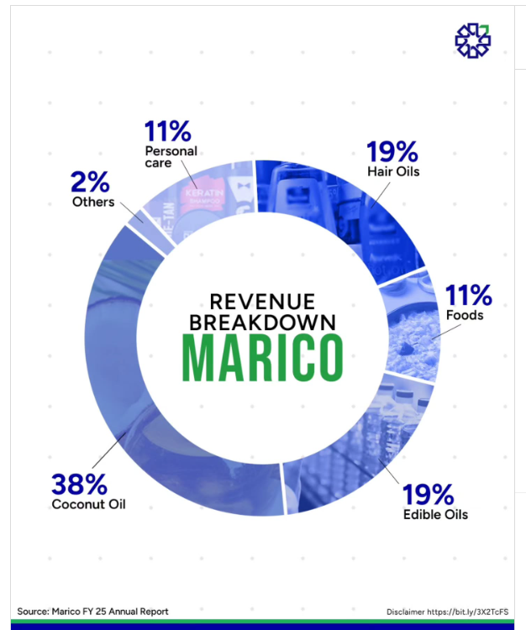
 |  |  |  |  |  |  |  |  |  |  |  |  |  |  |  |  |  |  |  |  |  |  |  |  |  |  |  |  |  |  |  | 2025-04-04 | 671
 |  |  |  |  |  |  |  |  |  |  |  |  |  |  |  |  |  |  |  |  |  |  |  |  |  |  |  |  |  |  |  | 2025-04-07 | 656
 |  |  |  |  |  |  |  |  |  |  |  |  |  |  |  |  |  |  |  |  |  |  |  |  |  |  |  |  |  |  |  | 2025-04-08 | 671
 |  |  |  |  |  |  |  |  |  |  |  |  |  |  |  |  |  |  |  |  |  |  |  |  |  |  |  |  |  |  |  | 2025-04-09 | 686
 |  |  |  |  |  |  |  |  |  |  |  |  |  |  |  | Product | Revenue Contribution |  |  |  |  |  |  |  |  |  |  |  |  |  |  | 2025-04-11 | 703
 |  |  |  |  |  |  |  |  |  |  |  |  |  |  |  | Coconut oil | 38.00% |  |  |  |  |  |  |  |  |  |  |  |  |  |  | 2025-04-15 | 705
 | Breakup of Fixed Asset (Balance Sheet fig) | 2019-03-01 | 2020-03-01 | 2021-03-01 | 2022-03-01 | 2023-03-01 | 2024-03-31 | 2025-03-01 |  | PPE | 2025 | 2024 |  |  |  | Edible oils | 20.00% |  |  |  |  |  |  |  |  |  |  |  |  |  |  | 2025-04-16 | 714
 |  |  |  |  |  |  |  |  |  | land | 13 | 14 | PPE | 700 |  | Food | 12.00% |  |  |  |  |  |  |  |  |  |  |  |  |  |  | 2025-04-17 | 707
 | land | 17 | 18 | 17 | 17 | 14 | 14 | 13 |  | Buildings | 272 | 269 | Right of use assets | 209 |  | Hair oils | 17.00% |  |  |  |  |  |  |  |  |  |  |  |  |  |  | 2025-04-21 | 688
 | Buildings | 241 | 266 | 244 | 239 | 245 | 269 | 269 |  | Plant and equipment | 395 | 385 | Other intangible assets | 857 |  | Personal care | 11.00% |  |  |  |  |  |  |  |  |  |  |  |  |  |  | 2025-04-22 | 702
 | Plant and equipment | 236 | 286 | 282 | 315 | 344 | 385 | 395 |  | Furniture and fixtures | 15 | 15 | Goodwill | 946 |  | Other | 2.00% |  |  |  |  |  |  |  |  |  |  |  |  |  |  | 2025-04-23 | 709
 | Furniture and fixtures | 9 | 11 | 10 | 11 | 12 | 15 | 15 |  | Vehicles | 3 |  |  | 2712 |  |  | 100.00% |  |  |  |  |  |  |  |  |  |  |  |  |  |  | 2025-04-24 | 706
 | Vehicles | 2 | 3 | 3 | 3 | 2 | 1 | 3 |  | Office Equipment | 9 |  |  |  |  |  |  |  |  |  |  |  |  |  |  |  |  |  |  |  |  | 2025-04-25 | 703
 | Office Equipment | 4 | 4 | 4 | 5 | 6 | 8 | 9 |  | Leasehold improvements | 6 |  |  |  |  |  |  |  |  |  |  |  |  |  |  |  |  |  |  |  |  | 2025-04-28 | 708
 | Leasehold improvements | 63 | 14 | 12 | 10 | 10 | 8 | 6 |  |  |  |  |  |  |  |  |  |  |  |  |  |  |  |  |  |  |  |  |  |  |  | 2025-04-29 | 705
 | Total | 572 | 602 | 572 | 600 | 633 | 700 | 710 |  | Right of use asset |  |  |  |  |  |  |  |  |  |  |  |  |  |  |  |  |  |  |  |  |  | 2025-04-30 | 703
Marico – Revenue Mix (India vs International)
 |  |  |  |  |  |  |  |  |  | Leasehold land | 62 |  |  |  |  |  |  |  |  |  |  |  |  |  |  |  |  |  |  |  |  | 2025-05-02 | 691
 |  |  |  |  |  |  |  |  |  | Building | 115 |  |  |  |  | Country | Revenue Contribution |  |  |  |  |  |  |  |  |  |  |  |  |  |  | 2025-05-05 | 716
 | Breakup of Fixed Asset - Common Size | 2019-03-01 | 2020-03-01 | 2021-03-01 | 2022-03-01 | 2023-03-01 | 2024-03-31 | 2025-03-01 |  | Plant and equipment | 13 |  |  |  |  | India | 75% |  |  |  |  |  |  |  |  |  |  |  |  |  |  | 2025-05-06 | 713
 |  |  |  |  |  |  |  |  |  |  |  |  |  |  |  | International | 25% |  |  |  |  |  |  |  |  |  |  |  |  |  |  | 2025-05-07 | 728
 | land | 3% | 3% | 3% | 3% | 2% | 2% | 2% |  | intangible assets |  |  |  |  |  |  |  |  |  |  |  |  |  |  |  |  |  |  |  |  |  | 2025-05-08 | 712
 | Buildings | 42% | 44% | 43% | 40% | 39% | 38% | 38% |  | Trademarks | 910 |  |  |  |  |  |  |  |  |  |  |  |  |  |  |  |  |  |  |  |  | 2025-05-09 | 716
 | Plant and equipment | 41% | 48% | 49% | 53% | 54% | 55% | 55% |  | Computer | 16 |  |  |  |  |  |  |  |  |  |  |  |  |  |  |  |  |  |  |  |  | 2025-05-12 | 731
 | Furniture and fixtures | 2% | 2% | 2% | 2% | 2% | 2% | 2% |  | Non Compete | 9 |  |  |  |  |  |  |  |  |  |  |  |  |  |  |  |  |  |  |  |  | 2025-05-13 | 720
 | Vehicles | 0% | 0% | 1% | 1% | 0% | 0% | 0% |  | Customer Database | 12 |  |  |  |  |  |  |  |  |  |  |  |  |  |  |  |  |  |  |  |  | 2025-05-14 | 715
 | Office Equipment | 1% | 1% | 1% | 1% | 1% | 1% | 1% |  |  |  |  |  |  |  |  |  |  |  |  |  |  |  |  |  |  |  |  |  |  |  | 2025-05-15 | 714
 | Leasehold improvements | 11% | 2% | 2% | 2% | 2% | 1% | 1% |  | Total | 1850 |  |  |  |  |  |  |  |  |  |  |  |  |  |  |  |  |  |  |  |  | 2025-05-16 | 717
Marico – International Revenue Mix
 | Total | 100% | 100% | 100% | 100% | 100% | 100% | 100% |  |  |  |  |  |  |  |  |  |  |  |  |  |  |  |  |  |  |  |  |  |  |  | 2025-05-19 | 709
 |  |  |  |  |  |  |  |  |  | Goodwill | 857 |  |  |  |  | Country | Revenue Contribution |  |  |  |  |  |  |  |  |  |  |  |  |  |  | 2025-05-20 | 697
 |  |  |  |  |  |  |  |  |  |  |  |  |  |  |  | Bangladesh | 42% |  |  |  |  |  |  |  |  |  |  |  |  |  |  | 2025-05-21 | 703
 | Goodwill and Other intangible assets |  |  |  |  |  |  |  |  |  | 2707 | 36 |  |  |  | Vietnam | 20% |  |  |  |  |  |  |  |  |  |  |  |  |  |  | 2025-05-22 | 691
 |  |  |  |  |  |  |  |  |  |  |  |  |  |  |  | MENA | 18% |  |  |  |  |  |  |  |  |  |  |  |  |  |  | 2025-05-23 | 694
 | Particulars | 2019-03-01 | 2020-03-01 | 2021-03-01 | 2022-03-01 | 2023-03-01 | 2024-03-31 | 2025-03-01 |  |  |  |  |  |  |  | South Africa | 11% |  |  |  |  |  |  |  |  |  |  |  |  |  |  | 2025-05-26 | 705
 | Gross Block (other asset) | 69 | 57 | 252 | 335 | 593 | 980 | 999 |  |  |  |  |  |  |  | Other | 9% |  |  |  |  |  |  |  |  |  |  |  |  |  |  | 2025-05-27 | 709
 | Less: Accumulated amortisation | (11) | (13) | (16) | (22) | (25) | (33) | (43) |  |  |  |  |  |  |  |  | 100% |  |  |  |  |  |  |  |  |  |  |  |  |  |  | 2025-05-28 | 711
 | Less: Amortisation | (3) | (3) | (6) | (7) | (8) | (10) | (10) |  |  |  |  |  |  |  |  |  |  |  |  |  |  |  |  |  |  |  |  |  |  |  | 2025-05-29 | 716
 | Net Block (other asset) | 55 | 41 | 230 | 306 | 560 | 937 | 946 |  |  |  |  |  |  |  |  |  |  |  |  |  |  |  |  |  |  |  |  |  |  |  | 2025-05-30 | 711
 | Add Goodwill | 503 | 538 | 613 | 654 | 862 | 863 | 857 |  |  |  |  |  |  |  |  |  |  |  |  |  |  |  |  |  |  |  |  |  |  |  | 2025-06-02 | 697
 | Total | 558 | 579 | 843 | 960 | 1,422 | 1,800 | 1,803 |  |  |  |  |  |  |  |  |  |  |  |  |  |  |  |  |  |  |  |  |  |  |  | 2025-06-03 | 696
 |  |  |  |  |  |  |  |  |  |  |  |  |  |  |  |  |  |  |  |  |  |  |  |  |  |  |  |  |  |  |  | 2025-06-04 | 694
 | Right of Use Assets |  |  |  |  |  |  |  |  |  |  |  |  |  |  |  |  |  |  |  |  |  |  |  |  |  |  |  |  |  |  | 2025-06-05 | 696
 |  |  |  |  |  |  |  |  |  |  |  |  |  |  |  |  |  |  |  |  |  |  |  |  |  |  |  |  |  |  |  | 2025-06-06 | 692
 | Particulars | 2019-03-01 | 2020-03-01 | 2021-03-01 | 2022-03-01 | 2023-03-01 | 2024-03-31 | 2025-03-01 |  |  |  |  |  |  |  |  |  |  |  |  |  |  |  |  |  |  |  |  |  |  |  | 2025-06-09 | 697
Global GDP Projections
 | Gross Block (other asset) | 248 | 262 | 322 | 345 | 354 | 396 | 388 |  |  |  |  |  |  |  |  |  |  |  |  |  |  |  |  |  |  |  |  |  |  |  | 2025-06-10 | 690
 | Less: Accumulated amortisation | (60) | (79) | (104) | (127) | (135) | (139) | (105) |  |  |  |  |  |  |  |  |  |  |  |  |  |  |  |  |  |  |  |  |  |  |  | 2025-06-11 | 694
 | Less: Amortisation | (35) | (37) | (38) | (40) | (44) | (48) | (53) |  |  |  |  |  |  |  | Category | 2025p | 2026p | 2027–2029p |  |  |  |  |  |  |  |  |  |  |  |  | 2025-06-12 | 685
 | Net Block (other asset) | 153 | 146 | 180 | 178 | 175 | 209 | 230 |  |  |  |  |  |  |  | World | 3.00% | 2.90% | 3.00% |  |  |  |  |  |  |  |  |  |  |  |  | 2025-06-13 | 684
 |  |  |  |  |  |  |  |  |  |  |  |  |  |  |  | Advanced Economies | 1.50% | 1.80% | 2.30% |  |  |  |  |  |  |  |  |  |  |  |  | 2025-06-16 | 684
 |  |  |  |  |  |  |  |  |  |  |  |  |  |  |  | Emerging Markets | 4.30% | 4.00% | 3.80% |  |  |  |  |  |  |  |  |  |  |  |  | 2025-06-17 | 681
 |  |  |  |  |  |  |  |  |  |  |  |  |  |  |  | United States | 1.90% | 2.00% | 2.20% |  |  |  |  |  |  |  |  |  |  |  |  | 2025-06-18 | 683
 |  |  |  |  |  |  |  |  |  |  |  |  |  |  |  | Euro Area | 1.10% | 1.40% | 2.00% |  |  |  |  |  |  |  |  |  |  |  |  | 2025-06-19 | 684
 |  |  |  |  |  |  |  |  |  |  |  |  |  |  |  | United Kingdom | 1.40% | 1.10% | 1.80% |  |  |  |  |  |  |  |  |  |  |  |  | 2025-06-20 | 686
 |  |  |  |  |  |  |  |  |  |  |  |  |  |  |  | Japan | 1.00% | 0.60% | 0.60% |  |  |  |  |  |  |  |  |  |  |  |  | 2025-06-23 | 687
 |  |  |  |  |  |  |  |  |  |  |  |  |  |  |  | China | 4.90% | 4.30% | 3.70% |  |  |  |  |  |  |  |  |  |  |  |  | 2025-06-24 | 696
 |  |  |  |  |  |  |  |  |  |  |  |  |  |  |  | India | 6.40% | 6.20% | 6.00% |  |  |  |  |  |  |  |  |  |  |  |  | 2025-06-25 | 697
 |  |  |  |  |  |  |  |  |  |  |  |  |  |  |  |  |  |  |  |  |  |  |  |  |  |  |  |  |  |  |  | 2025-06-26 | 719
 |  |  |  |  |  |  |  |  |  |  |  |  |  |  |  |  |  |  |  |  |  |  |  |  |  |  |  |  |  |  |  | 2025-06-30 | 715
 |  |  |  |  |  |  |  |  |  |  |  |  |  |  |  |  |  |  |  |  |  |  |  |  |  |  |  |  |  |  |  | 2025-07-01 | 710
 |  |  |  |  |  |  |  |  |  |  |  |  |  |  |  |  |  |  |  |  |  |  |  |  |  |  |  |  |  |  |  | 2025-07-02 | 705
 |  |  |  |  |  |  |  |  |  |  |  |  |  |  |  |  |  |  |  |  |  |  |  |  |  |  |  |  |  |  |  | 2025-07-03 | 707
 |  |  |  |  |  |  |  |  |  |  |  |  |  |  |  |  |  |  |  |  |  |  |  |  |  |  |  |  |  |  |  | 2025-07-04 | 722
 |  |  |  |  |  |  |  |  |  |  |  |  |  |  |  |  |  |  |  |  |  |  |  |  |  |  |  |  |  |  |  | 2025-07-07 | 722
 |  |  |  |  |  |  |  |  |  |  |  |  |  |  |  |  |  |  |  |  |  |  |  |  |  |  |  |  |  |  |  | 2025-07-08 | 720
Indian FMCG Market Size (USD billion)
 |  |  |  |  |  |  |  |  |  |  |  |  |  |  |  |  |  |  |  |  |  |  |  |  |  |  |  |  |  |  |  | 2025-07-09 | 723
 |  |  |  |  |  |  |  |  |  |  |  |  |  |  |  |  | Year | Market size (USD billion) |  |  |  |  |  |  |  |  |  |  |  |  |  | 2025-07-10 | 720
 |  |  |  |  |  |  |  |  |  |  |  |  |  |  |  |  | 2024 | 245.39 |  |  |  |  |  |  |  |  |  |  |  |  |  | 2025-07-11 | 719
 |  |  |  |  |  |  |  |  |  |  |  |  |  |  |  |  | 2025 | 288 B |  |  |  |  |  |  |  |  |  |  |  |  |  | 2025-07-14 | 721
 |  |  |  |  |  |  |  |  |  |  |  |  |  |  |  |  | 2026 | 338 B |  |  |  |  |  |  |  |  |  |  |  |  |  | 2025-07-15 | 733
 |  |  |  |  |  |  |  |  |  |  |  |  |  |  |  |  | 2027 | 396 B |  |  |  |  |  |  |  |  |  |  |  |  |  | 2025-07-16 | 724
 |  |  |  |  |  |  |  |  |  |  |  |  |  |  |  |  | 2028 | 465 B |  |  |  |  |  |  |  |  |  |  |  |  |  | 2025-07-17 | 726
 |  |  |  |  |  |  |  |  |  |  |  |  |  |  |  |  | 2029 | 546 B |  |  |  |  |  |  |  |  |  |  |  |  |  | 2025-07-18 | 713
 |  |  |  |  |  |  |  |  |  |  |  |  |  |  |  |  | 2030 | 640 B |  |  |  |  |  |  |  |  |  |  |  |  |  | 2025-07-21 | 711
 |  |  |  |  |  |  |  |  |  |  |  |  |  |  |  |  | 2031 | 751 B |  |  |  |  |  |  |  |  |  |  |  |  |  | 2025-07-22 | 709
 |  |  |  |  |  |  |  |  |  |  |  |  |  |  |  |  | 2032 | 881 B |  |  |  |  |  |  |  |  |  |  |  |  |  | 2025-07-23 | 713
 |  |  |  |  |  |  |  |  |  |  |  |  |  |  |  |  | 2033 | 1034 B |  |  |  |  |  |  |  |  |  |  |  |  |  | 2025-07-24 | 699
 |  |  |  |  |  |  |  |  |  |  |  |  |  |  |  |  |  |  |  |  |  |  |  |  |  |  |  |  |  |  |  | 2025-07-25 | 687
 |  |  |  |  |  |  |  |  |  |  |  |  |  |  |  |  |  |  |  |  |  |  |  |  |  |  |  |  |  |  |  | 2025-07-28 | 692
 |  |  |  |  |  |  |  |  |  |  |  |  |  |  |  |  |  |  |  |  |  |  |  |  |  |  |  |  |  |  |  | 2025-07-29 | 690
Urban vs Rural FMCG Share in India
 |  |  |  |  |  |  |  |  |  |  |  |  |  |  |  |  |  |  |  |  |  |  |  |  |  |  |  |  |  |  |  | 2025-07-30 | 696
 |  |  |  |  |  |  |  |  |  |  |  |  |  |  |  |  |  |  |  |  |  |  |  |  |  |  |  |  |  |  |  | 2025-07-31 | 702
 |  |  |  |  |  |  |  |  |  |  |  |  |  |  |  |  |  |  |  |  |  |  |  |  |  |  |  |  |  |  |  | 2025-08-01 | 710
 |  |  |  |  |  |  |  |  |  |  |  |  |  |  |  |  |  | FMCG Share |  |  |  |  |  |  |  |  |  |  |  |  |  | 2025-08-04 | 723
 |  |  |  |  |  |  |  |  |  |  |  |  |  |  |  |  | Urban | 55% |  |  |  |  |  |  |  |  |  |  |  |  |  | 2025-08-05 | 717
# | Non current tax assets (net) |  |  |  |  |  |  |  |  |  |  |  |  |  |  |  | Rural | 45% |  |  |  |  |  |  |  |  |  |  |  |  |  | 2025-08-06 | 715
 |  |  |  |  |  |  |  |  |  |  |  |  |  |  |  |  |  |  |  |  |  |  |  |  |  |  |  |  |  |  |  | 2025-08-07 | 718
 | Particulars | 2019-03-01 | 2020-03-01 | 2021-03-01 | 2022-03-01 | 2023-03-01 | 2024-03-31 | 2025-03-01 |  |  |  |  |  |  |  |  |  |  |  |  |  |  |  |  |  |  |  |  |  |  |  | 2025-08-08 | 704
 | Revenue | 7,334 | 7,315 | 8,048 | 9,512 | 9,764 | 9,653 | 10,831 |  |  |  |  |  |  |  |  |  |  |  |  |  |  |  |  |  |  |  |  |  |  |  | 2025-08-11 | 708
 | Non current tax assets (net) | 39 | 45 | 55 | 57 | 67 | 95 | 108 |  |  |  |  |  |  |  |  |  |  |  |  |  |  |  |  |  |  |  |  |  |  |  | 2025-08-12 | 705
 |  |  |  |  |  |  |  |  |  |  |  |  |  |  |  |  |  |  |  |  |  |  |  |  |  |  |  |  |  |  |  | 2025-08-13 | 711
 | Other Non Current Asset % Revenue | 0.5% | 0.6% | 0.7% | 0.6% | 0.7% | 1.0% | 1.0% |  |  |  |  |  |  |  |  |  |  |  |  |  |  |  |  |  |  |  |  |  |  |  | 2025-08-14 | 711
 |  |  |  |  |  |  |  |  |  |  |  |  |  |  |  |  |  |  |  |  |  |  |  |  |  |  |  |  |  |  |  | 2025-08-18 | 720
 |  |  |  |  |  |  |  |  |  |  |  |  |  |  |  |  |  |  |  |  |  |  |  |  |  |  |  |  |  |  |  | 2025-08-19 | 728
 |  |  |  |  |  |  |  |  |  |  |  |  |  |  |  |  |  |  |  |  |  |  |  |  |  |  |  |  |  |  |  | 2025-08-20 | 752
 |  |  |  |  |  |  |  |  |  |  |  |  |  |  |  |  |  |  |  |  |  |  |  |  |  |  |  |  |  |  |  | 2025-08-21 | 739
 |  |  |  |  |  |  |  |  |  |  |  |  |  |  |  |  |  |  |  |  |  |  |  |  |  |  |  |  |  |  |  | 2025-08-22 | 731
FMCG Sector Breakdown (India)
 |  |  |  |  |  |  |  |  |  |  |  |  |  |  |  |  |  |  |  |  |  |  |  |  |  |  |  |  |  |  |  | 2025-08-25 | 722
 |  |  |  |  |  |  |  |  |  |  |  |  |  |  |  |  |  |  |  |  |  |  |  |  |  |  |  |  |  |  |  | 2025-08-26 | 719
 |  |  |  |  |  |  |  |  |  |  |  |  |  |  |  |  |  |  |  |  |  |  |  |  |  |  |  |  |  |  |  | 2025-08-28 | 712
 |  |  |  |  |  |  |  |  |  |  |  |  |  |  |  |  | Segment | Market Share |  |  |  |  |  |  |  |  |  |  |  |  |  | 2025-08-29 | 726
 |  |  |  |  |  |  |  |  |  |  |  |  |  |  |  |  | Food & Beverages | 55% |  |  |  |  |  |  |  |  |  |  |  |  |  | 2025-09-01 | 731
 |  |  |  |  |  |  |  |  |  |  |  |  |  |  |  |  | Personal Care | 25% |  |  |  |  |  |  |  |  |  |  |  |  |  | 2025-09-02 | 742
 |  |  |  |  |  |  |  |  |  |  |  |  |  |  |  |  | Home Care | 15% |  |  |  |  |  |  |  |  |  |  |  |  |  | 2025-09-03 | 735
 |  |  |  |  |  |  |  |  |  |  |  |  |  |  |  |  | Health care | 5% |  |  |  |  |  |  |  |  |  |  |  |  |  | 2025-09-04 | 739
 |  |  |  |  |  |  |  |  |  |  |  |  |  |  |  |  |  |  |  |  |  |  |  |  |  |  |  |  |  |  |  | 2025-09-05 | 732
 |  |  |  |  |  |  |  |  |  |  |  |  |  |  |  |  |  |  |  |  |  |  |  |  |  |  |  |  |  |  |  | 2025-09-08 | 731
 |  |  |  |  |  |  |  |  |  |  |  |  |  |  |  |  |  |  |  |  |  |  |  |  |  |  |  |  |  |  |  | 2025-09-09 | 732
 |  |  |  |  |  |  |  |  |  |  |  |  |  |  |  |  |  |  |  |  |  |  |  |  |  |  |  |  |  |  |  | 2025-09-10 | 735
 |  |  |  |  |  |  |  |  |  |  |  |  |  |  |  |  |  |  |  |  |  |  |  |  |  |  |  |  |  |  |  | 2025-09-11 | 734
 |  |  |  |  |  |  |  |  |  |  |  |  |  |  |  |  |  |  |  |  |  |  |  |  |  |  |  |  |  |  |  | 2025-09-12 | 735
 |  |  |  |  |  |  |  |  |  |  |  |  |  |  |  |  |  |  |  |  |  |  |  |  |  |  |  |  |  |  |  | 2025-09-15 | 727
 |  |  |  |  |  |  |  |  |  |  |  |  |  |  |  |  | Year | India's Disposable Income - Per Capita (US$ thousand) |  |  |  |  |  |  |  |  |  |  |  |  |  | 2025-09-16 | 724
 |  |  |  |  |  |  |  |  |  |  |  |  |  |  |  |  | 2019 | 2.11 |  |  |  |  |  |  |  |  |  |  |  |  |  | 2025-09-17 | 712
 |  |  |  |  |  |  |  |  |  |  |  |  |  |  |  |  | 2020 | 1.93 |  |  |  |  |  |  |  |  |  |  |  |  |  | 2025-09-18 | 719
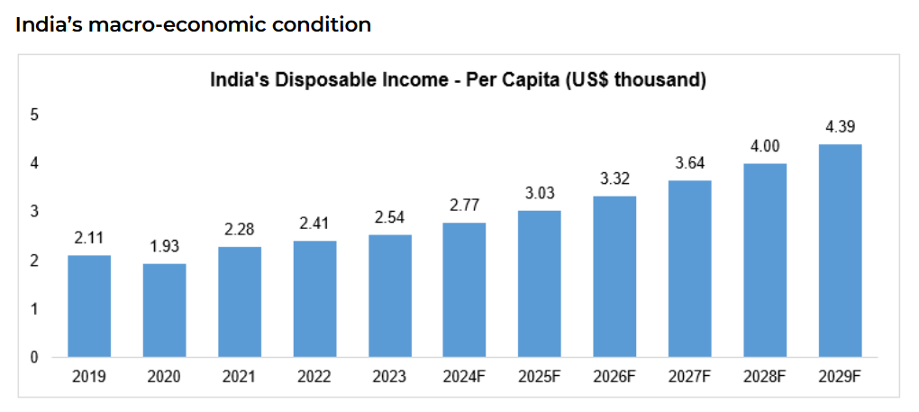
 |  |  |  |  |  |  |  |  |  |  |  |  |  |  |  |  | 2021 | 2.28 |  |  |  |  |  |  |  |  |  |  |  |  |  | 2025-09-19 | 721
 |  |  |  |  |  |  |  |  |  |  |  |  |  |  |  |  | 2022 | 2.41 |  |  |  |  |  |  |  |  |  |  |  |  |  | 2025-09-22 | 717
 |  |  |  |  |  |  |  |  |  |  |  |  |  |  |  |  | 2023 | 2.54 |  |  |  |  |  |  |  |  |  |  |  |  |  | 2025-09-23 | 706
 |  |  |  |  |  |  |  |  |  |  |  |  |  |  |  |  | 2024 | 2.77 |  |  |  |  |  |  |  |  |  |  |  |  |  | 2025-09-24 | 708
 |  |  |  |  |  |  |  |  |  |  |  |  |  |  |  |  | 2025F | 3.03 |  |  |  |  |  |  |  |  |  |  |  |  |  | 2025-09-25 | 703
 |  |  |  |  |  |  |  |  |  |  |  |  |  |  |  |  | 2026F | 3.32 |  |  |  |  |  |  |  |  |  |  |  |  |  | 2025-09-26 | 698
 |  |  |  |  |  |  |  |  |  |  |  |  |  |  |  |  | 2027F | 3.64 |  |  |  |  |  |  |  |  |  |  |  |  |  | 2025-09-29 | 699
 |  |  |  |  |  |  |  |  |  |  |  |  |  |  |  |  | 2028F | 4.08 |  |  |  |  |  |  |  |  |  |  |  |  |  | 2025-09-30 | 697
 |  |  |  |  |  |  |  |  |  |  |  |  |  |  |  |  | 2029F | 4.39 |  |  |  |  |  |  |  |  |  |  |  |  |  | 2025-10-01 | 701
 |  |  |  |  |  |  |  |  |  |  |  |  |  |  |  |  |  |  |  |  |  |  |  |  |  |  |  |  |  |  |  | 2025-10-03 | 711
 |  |  |  |  |  |  |  |  |  |  |  |  |  |  |  |  |  |  |  |  |  |  |  |  |  |  |  |  |  |  |  | 2025-10-06 | 716
 |  |  |  |  |  |  |  |  |  |  |  |  |  |  |  |  |  |  |  |  |  |  |  |  |  |  |  |  |  |  |  | 2025-10-07 | 715
 |  |  |  |  |  |  |  |  |  |  |  |  |  |  |  |  |  |  |  |  |  |  |  |  |  |  |  |  |  |  |  | 2025-10-08 | 711
 |  |  |  |  |  |  |  |  |  |  |  |  |  |  |  |  |  |  |  |  |  |  |  |  |  |  |  |  |  |  |  | 2025-10-09 | 716
 |  |  |  |  |  |  |  |  |  |  |  |  |  |  |  |  |  |  |  |  |  |  |  |  |  |  |  |  |  |  |  | 2025-10-10 | 714
 |  |  |  |  |  |  |  |  |  |  |  |  |  |  |  |  |  |  |  |  |  |  |  |  |  |  |  |  |  |  |  | 2025-10-13 | 714
 |  |  |  |  |  |  |  |  |  |  |  |  |  |  |  |  |  |  |  |  |  |  |  |  |  |  |  |  |  |  |  | 2025-10-14 | 708
 |  |  |  |  |  |  |  |  |  |  |  |  |  |  |  |  | Channel | Share of India Revenue |  |  |  |  |  |  |  |  |  |  |  |  |  | 2025-10-15 | 709
 |  |  |  |  |  |  |  |  |  |  |  |  |  |  |  |  | General Trade | 72% |  |  |  |  |  |  |  |  |  |  |  |  |  | 2025-10-16 | 726
 |  |  |  |  |  |  |  |  |  |  |  |  |  |  |  |  | Modern Trade | 14% |  |  |  |  |  |  |  |  |  |  |  |  |  | 2025-10-17 | 735
 |  |  |  |  |  |  |  |  |  |  |  |  |  |  |  |  | E-commerce | 11% |  |  |  |  |  |  |  |  |  |  |  |  |  | 2025-10-20 | 727
 |  |  |  |  |  |  |  |  |  |  |  |  |  |  |  |  | Quick Commerce | 3% |  |  |  |  |  |  |  |  |  |  |  |  |  | 2025-10-21 | 722
 |  |  |  |  |  |  |  |  |  |  |  |  |  |  |  |  |  | 100% |  |  |  |  |  |  |  |  |  |  |  |  |  | 2025-10-23 | 725
 |  |  |  |  |  |  |  |  |  |  |  |  |  |  |  |  |  |  |  |  |  |  |  |  |  |  |  |  |  |  |  | 2025-10-24 | 725
 |  |  |  |  |  |  |  |  |  |  |  |  |  |  |  |  |  |  |  |  |  |  |  |  |  |  |  |  |  |  |  | 2025-10-27 | 723
 |  |  |  |  |  |  |  |  |  |  |  |  |  |  |  |  |  |  |  |  |  |  |  |  |  |  |  |  |  |  |  | 2025-10-28 | 721
 |  |  |  |  |  |  |  |  |  |  |  |  |  |  |  |  |  |  |  |  |  |  |  |  |  |  |  |  |  |  |  | 2025-10-29 | 722
 |  |  |  |  |  |  |  |  |  |  |  |  |  |  |  |  |  |  |  |  |  |  |  |  |  |  |  |  |  |  |  | 2025-10-30 | 722
 |  |  |  |  |  |  |  |  |  |  |  |  |  |  |  |  |  |  |  |  |  |  |  |  |  |  |  |  |  |  |  | 2025-10-31 | 720
 |  |  |  |  |  |  |  |  |  |  |  |  |  |  |  |  |  |  |  |  |  |  |  |  |  |  |  |  |  |  |  | 2025-11-03 | 721
 |  |  |  |  |  |  |  |  |  |  |  |  |  |  |  |  |  |  |  |  |  |  |  |  |  |  |  |  |  |  |  | 2025-11-04 | 717
 |  |  |  |  |  |  |  |  |  |  |  |  |  |  |  |  |  |  |  |  |  |  |  |  |  |  |  |  |  |  |  | 2025-11-06 | 712
 |  |  |  |  |  |  |  |  |  |  |  |  |  |  |  |  |  |  |  |  |  |  |  |  |  |  |  |  |  |  |  | 2025-11-07 | 711
 |  |  |  |  |  |  |  |  |  |  |  |  |  |  |  |  |  |  |  |  |  |  |  |  |  |  |  |  |  |  |  | 2025-11-10 | 719
 |  |  |  |  |  |  |  |  |  |  |  |  |  |  |  |  |  |  |  |  |  |  |  |  |  |  |  |  |  |  |  | 2025-11-11 | 713
 |  |  |  |  |  |  |  |  |  |  |  |  |  |  |  |  |  |  |  |  |  |  |  |  |  |  |  |  |  |  |  | 2025-11-12 | 722
 |  |  |  |  |  |  |  |  |  |  |  |  |  |  |  |  |  |  |  |  |  |  |  |  |  |  |  |  |  |  |  | 2025-11-13 | 722
 |  |  |  |  |  |  |  |  |  |  |  |  |  |  |  |  |  |  |  |  |  |  |  |  |  |  |  |  |  |  |  | 2025-11-14 | 739
 |  |  |  |  |  |  |  |  |  |  |  |  |  |  |  |  |  |  |  |  |  |  |  |  |  |  |  |  |  |  |  | 2025-11-17 | 761
 |  |  |  |  |  |  |  |  |  |  |  |  |  |  |  |  |  |  |  |  |  |  |  |  |  |  |  |  |  |  |  | 2025-11-18 | 756
 |  |  |  |  |  |  |  |  |  |  |  |  |  |  |  |  |  |  |  |  |  |  |  |  |  |  |  |  |  |  |  | 2025-11-19 | 748
 |  |  |  |  |  |  |  |  |  |  |  |  |  |  |  |  |  |  |  |  |  |  |  |  |  |  |  |  |  |  |  | 2025-11-20 | 736
 |  |  |  |  |  |  |  |  |  |  |  |  |  |  |  |  |  |  |  |  |  |  |  |  |  |  |  |  |  |  |  | 2025-11-21 | 740
 |  |  |  |  |  |  |  |  |  |  |  |  |  |  |  |  |  |  |  |  |  |  |  |  |  |  |  |  |  |  |  | 2025-11-24 | 736
 |  |  |  |  |  |  |  |  |  |  |  |  |  |  |  |  |  |  |  |  |  |  |  |  |  |  |  |  |  |  |  | 2025-11-25 | 731
 |  |  |  |  |  |  |  |  |  |  |  |  |  |  |  |  |  |  |  |  |  |  |  |  |  |  |  |  |  |  |  | 2025-11-26 | 735
 |  |  |  |  |  |  |  |  |  |  |  |  |  |  |  |  |  |  |  |  |  |  |  |  |  |  |  |  |  |  |  | 2025-11-27 | 727
 |  |  |  |  |  |  |  |  |  |  |  |  |  |  |  |  |  |  |  |  |  |  |  |  |  |  |  |  |  |  |  | 2025-11-28 | 717

Revenue Growth
Gross Margin

COGS Expenses
 |  |  |  |  |  |  |  |  |  |  |  |  |  |  |  |  |  |  |  |  | 2020A | 2021A | 2022A | 2023A | 2024A | 2025A | 2026F | 2027F | 2028F | 2029F | 2030F
 |  |  |  |  |  |  |  |  |  |  |  |  |  |  |  |  |  |  |  | Revenue | 7315 | 8048 | 9512 | 9764 | 9653 | 10831 | 12347 | 14014 | 15836 | 17816 | 19953
 |  |  |  |  |  |  |  |  |  |  |  |  |  |  |  |  |  |  |  | Growth YoY | 0% | 10% | 18% | 3% | -1% | 12% | 14% | 14% | 13% | 13% | 12%

 |  |  |  |  |  |  |  |  |  |  |  |  |  |  |  |  |  |  |  |  | 2020A | 2021A | 2022A | 2023A | 2024A | 2025A | 2026F | 2027F | 2028F | 2029F | 2030F
 |  |  |  |  |  |  |  |  |  |  |  |  |  |  |  |  |  |  |  |  | 49% | 47% | 43% | 45% | 51% | 50% | 48% | 48% | 48% | 50% | 50%
 |  |  |  |  |  |  |  |  |  |  |  |  |  |  |  |  |  |  |  | COGS

 |  |  |  |  |  |  |  |  |  |  |  |  |  |  |  |  |  |  |  |  | 2020 | 2021 | 2022 | 2023 | 2024 | 2025 | 2026F | 2027F | 2028F | 2029F | 2030F
 |  |  |  |  |  |  |  |  |  |  |  |  |  |  |  |  |  |  |  |  | 49% | 47% | 43% | 45% | 51% | 50% | 48% | 48% | 48% | 50% | 50%

 |  |  |  |  |  |  |  |  |  |  |  |  |  |  |  |  |  |  |  |  | 2019A | 2020A | 2021A | 2022A | 2023A | 2024A | 2025A
 |  |  |  |  |  |  |  |  |  |  |  |  |  |  |  |  |  |  |  | SG%A Expense | 1992 | 2130 | 2176 | 2395 | 2603 | 2879 | 3304

SG&G % Revenue
EBITDA & Margin
 |  |  |  |  |  |  |  |  |  |  |  |  |  |  |  |  |  |  |  | SG&A % Revenue | 27% | 29% | 27% | 25% | 27% | 30% | 31%

Trade Receivable Days
 |  |  |  |  |  |  |  |  |  |  |  |  |  |  |  |  |  |  |  |  | 2020A | 2021A | 2022A | 2023A | 2024A | 2025A | 2026F | 2027F | 2028F | 2029F | 2030F
 |  |  |  |  |  |  |  |  |  |  |  |  |  |  |  |  |  |  |  | EBITDA | 1440 | 1602 | 1681 | 1810 | 2026 | 2139 | 2087 | 2368 | 2676 | 3367 | 3771
 |  |  |  |  |  |  |  |  |  |  |  |  |  |  |  |  |  |  |  | EBITDA | 20% | 20% | 18% | 19% | 21% | 20% | 17% | 17% | 17% | 19% | 19%

 |  |  |  |  |  |  |  |  |  |  |  |  |  |  |  |  |  |  |  |  |  | 2019A | 2020A | 2021A | 2022A | 2023A | 2024A | 2025A
 |  |  |  |  |  |  |  |  |  |  |  |  |  |  |  |  |  |  |  |  | Inventory | 1,411 | 1,380 | 1,126 | 1,412 | 1,225 | 1,336 | 1,235
 |  |  |  |  |  |  |  |  |  |  |  |  |  |  |  |  |  |  |  |  | Inventory Days | 70 | 70 | 57 | 49 | 49 | 48 | 43

Inventory Days
Trade Payables Days
 |  |  |  |  |  |  |  |  |  |  |  |  |  |  |  |  |  |  |  |  |  | 2019A | 2020A | 2021A | 2022A | 2023A | 2024A | 2025A
 |  |  |  |  |  |  |  |  |  |  |  |  |  |  |  |  |  |  |  |  | Trade receivables | 517 | 539 | 388 | 652 | 1,015 | 1,069 | 1,271
 |  |  |  |  |  |  |  |  |  |  |  |  |  |  |  |  |  |  |  |  | Recevable Days | 26 days | 26 days | 21 days | 20 days | 31 days | 39 days | 39 days

Borrowings
 |  |  |  |  |  |  |  |  |  |  |  |  |  |  |  |  |  |  |  |  |  | 2019A | 2020A | 2021A | 2022A | 2023A | 2024A | 2025A
 |  |  |  |  |  |  |  |  |  |  |  |  |  |  |  |  |  |  |  |  | Trade Payables | 944 | 978 | 1134 | 1344 | 1452 | 1581 | 1363
 |  |  |  |  |  |  |  |  |  |  |  |  |  |  |  |  |  |  |  |  | Trade Payables (Days) | 86 days | 94 days | 90 days | 83 days | 95 days | 117 days | 100 days

 |  |  |  |  |  |  |  |  |  |  |  |  |  |  |  |  |  |  |  |  |  | 2019A | 2020A | 2021A | 2022A | 2023A | 2024A | 2025A
 |  |  |  |  |  |  |  |  |  |  |  |  |  |  |  |  |  |  |  |  | STB % TB | 96% | 97% | 98% | 100% | 100% | 100% | 100%
 |  |  |  |  |  |  |  |  |  |  |  |  |  |  |  |  |  |  |  |  | LTB % TB | 4% | 3% | 2% | 0% | 0% | 0% | 0%

 |  |  |  |  |  |  |  |  |  |  |  |  |  |  |  |  |  |  |  |  | Particulars | Enterprise Value | Equity Value Available for Shareholders | Value Per Share | Share Market Price | Discount Premium | Premium %

 |  |  |  |  |  |  |  |  |  |  |  |  |  |  |  |  |  |  |  |  |  |  |  |  |  |  |  |  |  |  |  |  | Valuation Method | Enterprise Value (Cr.) | Equity Value (Cr.) | Value per Share (₹) | Market Price (₹) | Discount / Premium (₹) | Premium %
 |  |  |  |  |  |  |  |  |  |  |  |  |  |  |  |  |  |  |  |  |  |  |  |  |  |  |  |  |  |  |  |  | DCF – Perpetuity Growth | 42,145 | 42,013 | 323 | 720 | -397 | -55%
 |  |  |  |  |  |  |  |  |  |  |  |  |  |  |  |  |  |  |  |  |  |  |  |  |  |  |  |  |  |  |  |  | DCF – Exit Multiple | 110,355 | 110,223 | 848 | 720 | 128 | 18%

